Pricelist NAS-Consumer


ติดต่อ Product : Synology@sisthai.com
Amphon Manutmankong Tel :094-141-5979 E-mail: amphon@sisthai.com
 |  | Synology Network Attached Storage (NAS)
Article | Model | Describtion/Summary Spec | SRP (inc.VAT) | SRP (exc.VAT) | Warranty | Remark | EAN/UPC
SNG-DS124 | DS124 | 1bay RTD1619B 1G 2xUSB3.2 1Lan 2Y | 6,000 | 5,607 | 2 Years | Stock | 4711174725014
 | Summary Spec | 1 Bay / Realtek RTD1619B 4-core 1.7 GHz / 1GB DDR4 / 2 x USB 3.2 / 1 x Gigabit LAN / RAID 0 / 2 Years Warranty
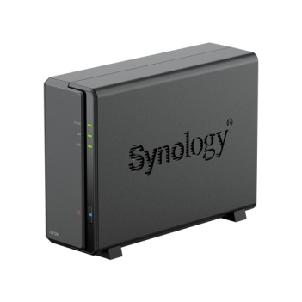
 | Bay | 1-Bay
 | CPU | Realtek RTD1619B
 | System memory | 1 GB DDR4
 | Hard Disk Drive | 3.5" or 2.5" SATA SSD/HDD
 | Maximum Raw Capacity | 16 TB
 | USB Port | 2xUSB 3.2
 | LAN Port | 1 RJ-45 1GbE LAN Port
 | RAID Support | RAID 0
 | Power Supply Unit / Adapter | 100 V to 240 V AC
 | Other
 | Website | Link
SNG-DS223J | DS223J | 2bay-4core1.7GHz 1G 2xUSB3.2 1Lan 2Y | 7,990 | 7,467 | 2 Years | Stock | 846504009084
 | Summary Spec | 2-Bay / Realtek RTD1619B / 4 Core 1.7 GHz / 1GB DDR4 / 2 x USB 3.2 / 1 x Gigabit LAN / RAID 0,1 / 2 Years Warranty
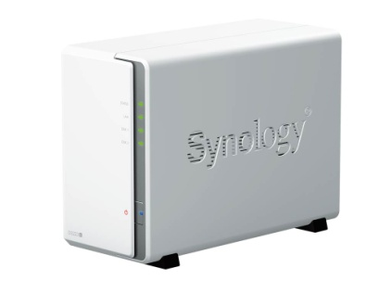
 | Bay | 2-Bay
 | CPU | Realtek RTD1619B 4 Core 1.7 GHz
 | System memory | 1GB DDR4
 | Hard Disk Drive | 3.5" SATA HDD 2.5" SATA SSD (with optional 2.5" Disk Holder)
 | Maximum Raw Capacity | 64 TB (32 TB drive x 2) (Capacity may vary by RAID types)
 | USB Port | 2xUSB 3.2
 | LAN Port | 1 RJ-45 1GbE LAN Port
 | RAID Support | Synology Hybrid RAID Basic/JBOD/RAID 0/RAID 1
 | IP Camera Support | 12 (including 2 Free License)
 | Power Supply Unit / Adapter | 60 W/100 V to 240 V AC
 | Other
 | Website | https://www.synology.com/en-global/products/DS223j#specs
SNG-DS223 | DS223 | 2Bay QuadCore1.7GHz 2GB 3xUSB3.2 1Lan 2Y | 11,900 | 11,121 | 2 Years | Stock | 846504004775
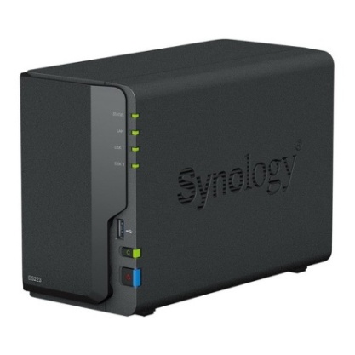
ใช้งาน Personal Could และ Home Media Hub ได้อย่างง่ายดาย | Summary Spec | 2-Bay / Realtek RTD1619B / Quad Core 1.7 GHz / 2GB DDR4 / 3 x USB 3.2 / 1 x Gigabit LAN / RAID 0,1 / 2 Years Warranty
 | Bay | 2-Bay
 | CPU | Realtek RTD1619B Quad Core 1.7 GHz
 | System memory | 2GB DDR4
 | Hard Disk Drive | 3.5" SATA HDD 2.5" SATA HDD (with optional 2.5" Disk Holder) 2.5" SATA SSD (with optional 2.5" Disk Holder)
 | Maximum Raw Capacity | 64 TB (32 TB drive x 2) (Capacity may vary by RAID types)
 | USB Port | 3xUSB 3.2
 | LAN Port | 1 RJ-45 1GbE LAN Port
 | RAID Support | Synology Hybrid RAID Basic/JBOD/RAID 0/RAID 1
 | IP Camera Support | 20 (including 2 Free License)
 | Power Supply Unit / Adapter | 60 W/100 V to 240 V AC
 | Other
 | Website | https://www.synology.com/th-th/products/DS223#specs
SNG-DS225PLUS | DS225+ | 2bay-4core2.0GHz 2G 2xUSB3.2 2Lan 3Y | 13,990 | 13,075 | 3 Years | Stock | 846504006380
มาแทน DS224PLUS | Summary Spec | 2-Bay / Intel Celeron J4125 4-core 2.0 (base) / 2.7 (burst) GHz/ 2GB DDR4 / 2 x USB 3.0 / 2 x Gigabit LAN / SHR, RAID 0/1, 2 x IP Cam Licenses (up to 25) / 3 Years Warranty
 | Bay | 2-Bay
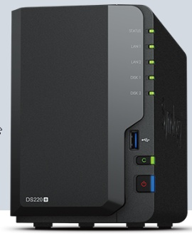
 | CPU | Intel Celeron J4125 4-core 2.0 (base) / 2.7 (burst) GHz
ใช้ HDD และ SSD ของ Synology เท่านั้น
 | System memory | 2GB DDR4
 | Hard Disk Drive | 3.5" SATA HDD 2.5" SATA SSD
 | Maximum Raw Capacity | 32 TB (16 TB drive x 2) (Capacity may vary by RAID types)
 | USB Port | 2xUSB3.0
 | LAN Port | 1 RJ-45 1GbE + 1 RJ-45 2.5GbE
 | RAID Support | Synology Hybrid RAID (SHR), Basic, JBOD ,RAID 0/1
 | IP Camera Support | 25 (including 2 Free License)
 | Power Supply Unit / Adapter | 60W/100V to 240V AC
 | Other
 | Website | https://www.synology.com/th-th/products/DS225+
SNG-DS725PLUS | DS725+ | 2bay Dual-Core 2.6 (base) / 3.1 (boost) GHz | 25,500 | 23,832 | 3 Years | Stock | 4711174726035
มาแทน DS723PLUS | Summary Spec | 2-Bay / AMD Ryzen R1600 / 2-core 2.6 (base) / 3.1 (boost) GHz / 4GB DDR4(Max32GB-16GB x 2) / 2 x USB 3.2 / 1 x 1GbE , 1 x 2.5GbE/ SHR, RAID 0/1 / 3 Years Warranty
 | Bay | 2-Bay (Up to 7 Drive Bays with Expansion Unit)
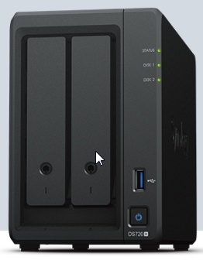
 | CPU | AMD Ryzen R1600 2-core 2.6 (base) / 3.1 (turbo) GHz
 | System memory | 4GB GB DDR4 (1 x 2GB)Expandable up to 32 GB (16 GB + 16 GB)
ใช้ HDD และ SSD ของ Synology เท่านั้น
 | Hard Disk Drive | 3.5" SATA HDD 2.5" SATA SSD M.2 2280 NVMe SSD
 | Maximum Raw Capacity | 32 TB (16 TB drive x 2) (Capacity may vary by RAID types)
 | USB Port | 1 x USB3.2
 | LAN Port | 2 RJ-45 1GbE LAN Port
 | RAID Support | Synology Hybrid RAID (SHR), Basic, JBOD ,RAID 0/1 RAID 5/6/10 (with expansion unit)
 | Power Supply Unit / Adapter | 65W /100V to 240V AC
 | Other
 | Website | https://www.synology.com/th-th/products/DS725+

