Server
Compact
H3C UniServer R4700 G6
1U 2P rack server
Price : Call for Project Price

High Efficient
- 2 pcs 4th Generation Intel®Xeon® Sapphire Rapids-SP series CPUs
- Up to 120 CPU cores
- Up to 4 single-slot GPU
I/O Structure
- 32 DDR5 Memory Slots
- 4800MT/s Data Rate
- 16 PMem 300 Persistent Memory
- 12 U.2 NVME SSD
- 32 E1.S SSD
- 3 PCI-E 5.0 & 1 PCI-E 4.0 Slots
- 2 onboard OCP3.0 Slots
Multi-Tier Protection
- Intelligent Front Security Bezel
- Chassis Intrusion Detection
- TPM2.0
- Silicon Root of Trust
- HDM Two-factor authorization logging
- Intel SGX2.0

Flagship
Flagship
H3C UniServer R4900 G6 / G6 Ultra
2U 2P rack server
Price : Call for Project Price

 | R4900 G6 |  | R4900 G6 Ultra

High Efficient
- 2 pcs 4th Generation Intel®Xeon® Sapphire Rapids-SP series CPUs
- Up to 120 CPU cores
- Up to 4 dual-slot GPU or 14 single-slot GPU
- XPU
- Liquid-cooling (Ultra)
I/O Structure
- 32 DDR5 Memory Slots
- 4800MT/s Data Rate
- 16 PMem 300 Persistent Memory
- 32 / 36 (Ultra) U.2 NVME SSD
- 8 E1.S SSD / 36 E3.S SSD, 32 E1.S SSD (Ultra)
- 6 PCIe5.0 & 8 PCIe4.0 Slots / 10 PCIe5.0 & 4 PCIe4.0 Slots (Ultra)
- 2 onboard OCP3.0 Slots
Multi-Tier Protection
- Intelligent Front Security Bezel
- Chassis Intrusion Detection
- TPM2.0
- Silicon Root of Trust
- HDM Two-factor authorization logging
- Intel SGX2.0
- Intel PFR3.0 (Ultra)

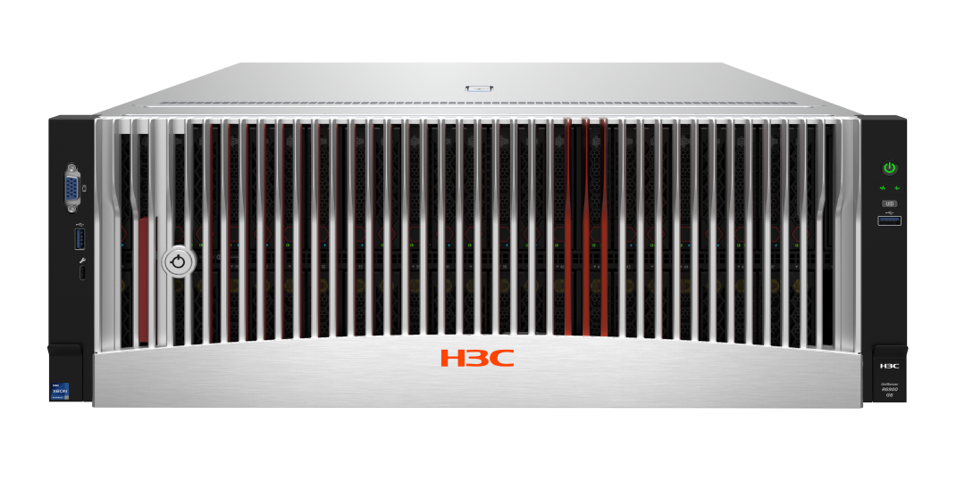
H3C UniServer R6700 / R6900 G6
Price : Call for Project Price

 | R6700 G6
 | Mission Critical Platform
 | 2U 4P rack server
 |  | R6900 G6
 |  | Mission Critical Platform
 |  | 4U 4P rack server

Powerful Compute
- 4 pcs 4th Generation Intel®Xeon® Sapphire Rapids-SP series CPUs
- 64 DDR5 RDIMM Slots, 4800 MT/s Data Rate
- AVX-512, AMX, TMUL
I/O Optimization
- Flexible hard disk configuration
- EDSFF
- PCI Express 5.0 and SAS4.0, reduce I/O delay
- Hot-swappable OCP3.0 slot
Availability
- NCSI function on OCP network card and standard network card
- Platinum high-efficiency power supply, power supply efficiency reaches 94%

