Backpacks & Briefcase
 | Update 01/06/2026
Product Code | Product Name & Description | Picture | รายละเอียดเพิ่มเติม | SRP (In.Vat) | SRP (Ex.Vat) | Warranty | SnS/B2B | Free Premium (จำนวนจำกัด)
**New Pro-Tek® นวัตกรรมที่จะช่วยปกป้องอุปกรณ์ภายในได้เต็มประสิทธิภาพ มีทั้งแบบ Luggage Carry-On และ Backpack น้ำหนักเบาสบาย
TGS-TBR043GL | Pro-Tek ® 20” Carry-on Trolley, Black | NEW | • ด้านนอกแบบแข็งป้องกันรอยขีดข่วน ผลิตจากโพลีคาร์บอเนตที่ทนทานต่อแรงกระแทก ออกแบบโดยวิศวกรชาวเยอรมัน • ช่องใส่แล็ปท็อปที่ป้องกันได้ด้วยเทคโนโลยี SafePort® Sling + Lift สำหรับแล็ปท็อปขนาดสูงสุด 16 นิ้ว • ช่องใส่แล็ปท็อปโดยเฉพาะพร้อมระบบป้องกันสายสะพาย SafePort® • ล้อคู่ที่หมุนได้เงียบและราบรื่นเพื่อความคล่องตัวในทุกเส้นทาง • สามารถพกพาขึ้นเครื่องได้เพื่อให้ตรงตามมาตรฐานของสายการบินส่วนใหญ่* • ซิปที่ทนทานและล็อค TSA สองชั้น • กระเป๋าซิปภายใน 3 ช่องและแผงรัด • กระเป๋า AirTag™ (ไม่รวมเครื่องติดตาม) • ด้ามจับอลูมิเนียมแบบยืดหดได้ https://ap.targus.com/products/targus%C2%AE-pro-tek%C2%AE-20-carry-on-black?ref=isp_rel_prd&isp_ref_pos=1 | 4,290 | 4,009 | 3 Years Limited | SnS
TGS-TBR04302GL | Pro-Tek ® 20” Carry-on Trolley, Blue | NEW |  | 4,290 | 4,009 | 3 Years Limited | SnS
TGS-TBB663GL | 16” Pro-Tek® Tech Backpack - Black | 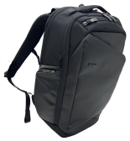 NEW | 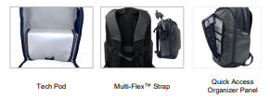 > ช่องเก็บของป้องกันสำหรับอุปกรณ์เทคโนโลยีและของมีค่า > ช่องแล็ปท็อปพร้อมสายสะพาย Safeport® สำหรับแล็ปท็อปขนาด 16 นิ้ว > ช่องหลักแบบฝาพับเปิด - จัดเก็บง่าย > แผงด้านหลังออกแบบให้มีช่องระบายอากาศ พร้อมสายสะพายแบบลาก และสายรัดหน้าอก > สายสะพายไหล่ทรงโค้งมน พร้อมตัวกันสั่น > หูหิ้วด้านบนและด้านข้างบุนวม ช่องกระเป๋าภายนอก: - ช่องกระเป๋าด้านบนแบบเข้าถึงเร็วพร้อมช่องร้อยสาย - ช่องกระเป๋าด้านหน้าแบบเข้าถึงเร็ว - ช่องกระเป๋าด้านข้างแบบมีซิป - ช่องกระเป๋าด้านข้างแบบมีซิปขยายได้ ช่องกระเป๋าภายใน: - ช่องหลัก: ช่องสำหรับเครื่องอ่านอีบุ๊ก/แท็บเล็ต และช่องตาข่ายแบบมีซิปพร้อมช่องติดตาม - ด้านหน้า: แผงจัดระเบียบในช่องด้านหน้าและช่องตาข่ายแบบมีซิป - ช่องกระเป๋าด้านหลัง: หนังสือเดินทางและอุปกรณ์เทคโนโลยีที่จำเป็น https://ap.targus.com/products/16-pro-tek%C2%AE-tech-backpack-black?ref=isp_rel_prd&isp_ref_pos=4 | 2,590 | 2,421 | Limited Lifetime | SnS
**New Transit 4-Wheel Rolling Case เดินทางอย่างสะดวกสบายด้วยกระเป๋าใส่แล็ปท็อปช่วยปกป้อง ทนทาน และน้ำหนักเบา ดีไซน์ที่กว้างขวางและระบบล้อเลื่อน 4 ล้อที่ลื่นไหล
TGS-TBR044LP | 16” Transit 4-Wheel Rolling Laptop Case | 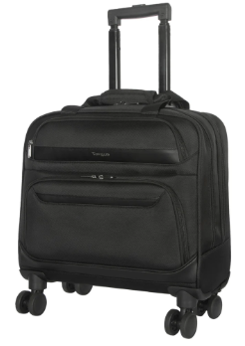 NEW | · ช่องหลักขนาดใหญ่สำหรับเสื้อผ้า แฟ้ม หรือหนังสือ · ช่องรองพร้อมช่องใส่แล็ปท็อปขนาด 15-16 นิ้ว พร้อมบุนวมกันกระแทก · ช่องเก็บของด้านบนแบบหยิบใช้ง่ายสำหรับสิ่งของจำเป็นขนาดเล็ก · ช่องเก็บของด้านหน้าพร้อมแผงจัดระเบียบ · ล้อเลื่อน 4 ล้อ หมุนเงียบ ลื่นไหล คล่องตัว คล่องตัวทุกทิศทาง เพื่อการเคลื่อนย้ายที่คล่องตัว · ด้ามจับแบบยืดหดได้ พับเก็บได้อย่างเป็นระเบียบ · ขนาดกะทัดรัดและน้ำหนักเบา (ขนาด 16.25 x 8 x 17 นิ้ว และน้ำหนักประมาณ 5.31 ปอนด์) https://us.targus.com/products/16-inch-transit-4-wheel-rolling-laptop-case-tbr044gl?srsltid=AfmBOopSdwa-ivMDemqPAqQONSpawpTB1JKHkglRMTORecqYXKNCQ5vX | 3,490 | 3,262 | Limited Lifetime | SnS
**New Targus® HeritageLuxe ผสมผสานสไตล์เหนือกาลเวลา คุณภาพที่คงทน และประสิทธิภาพที่ขับเคลื่อนด้วยเทคโนโลยี มอบการปกป้องที่เหนือระดับ สำหรับผู้ที่เดินทางบ่อย
TGS-TBB656GL | 15–16” HeritageLuxe Backpack, Black | 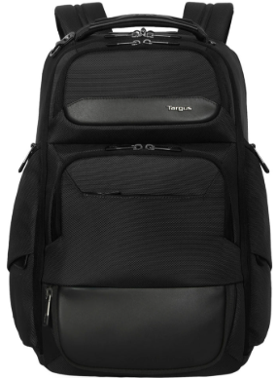 NEW | · ช่องใส่แล็ปท็อปโดยเฉพาะพร้อมระบบป้องกัน SafePort® SafeSling ที่อยู่ระหว่างการจดสิทธิบัตร · กระเป๋าใส่อุปกรณ์เสริมเทคโนโลยีแบบถอดได้ · ช่องหลักขยายได้พร้อมฐานปรับระดับ FlexDivider ของเรา · ช่องเก็บของป้องกัน RFID · ช่องต่อ USB-C แบบยืดหดได้ที่ได้รับการจดสิทธิบัตรสำหรับการชาร์จระหว่างเดินทาง · ช่องเก็บของหลายช่อง รวมถึงช่องใส่แบตเตอรี่และช่องเก็บของแบบซ่อนที่หยิบใช้งานได้สะดวก · ที่ยึดป้ายกระเป๋าแบบยืดหดได้ · สายสะพายไหล่ที่ออกแบบตามหลักสรีรศาสตร์และแผงด้านหลังบุนวมเพื่อความสะดวกสบายในการพกพา · สายคล้องกระเป๋าแบบผ่านได้ · ช่องสำหรับเครื่องติดตาม (เช่น AirTag®, Tile®; ไม่รวมเครื่องติดตาม) · ตกแต่งด้วยหนังคุณภาพพรีเมียม · ภายในทำจากวัสดุรีไซเคิล รวมถึงขวดน้ำ 21 ขวด https://ap.targus.com/products/15-16-heritageluxe-backpack-black | 5,990 | 5,598 | Limited Lifetime | SnS
TGS-TBB65602GL | 15–16” HeritageLuxe Backpack, Navy | 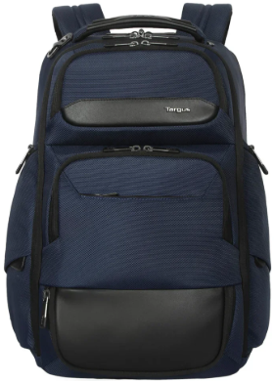 NEW |  | 5,990 | 5,598 | Limited Lifetime | SnS
**New EcoSmart® Mobile Tech Traveler กระเป๋าสำหรับทุกกิจกรรมการทำงาน และการเดินทางไกล ผลิตจากวัสดุที่เป็นมิตรต่อสิ่งแวดล้อม
TGS-TBB612 | 15.6” EcoSmart® Mobile Tech Traveler XL Backpack - Black EOL |  | • Main compartment expands from 35L up to 40L • Dedicated laptop compartment with SafePort® Sling Protection System • Main compartment’s clamshell design allows for easy packing of your gear and personal belongings • Conforms to most cabin regulations as an airline-approved carry-on • Ergonomic shoulder straps • Top and side comfort handles • Soft-lined valuables pocket • Hidden water bottle pocket • Made from 37 recycled water bottles https://ap.targus.com/products/15-6-mobile-tech-traveler-xl-ecosmart%C2%AE-backpack-black?ref=isp_rel_prd&isp_ref_pos=1 | 3,290 | 3,075 | Limited Lifetime | SnS
TGS-TBR040GL | 15.6” EcoSmart® Mobile Tech Traveler Rolling Backpack - Black EOL |  | • ปรับเปลี่ยนได้ระหว่างกระเป๋าเป้ขนาด XL และกระเป๋าเดินทางแบบลาก • ช่องหลักขยายได้ตั้งแต่ 35 ลิตรถึง 40 ลิตร • ช่องใส่แล็ปท็อปโดยเฉพาะพร้อมระบบป้องกันสายสะพาย SafePort® • การออกแบบแบบฝาพับของช่องหลักช่วยให้บรรจุอุปกรณ์และสิ่งของส่วนตัวของคุณได้ง่าย • เป็นไปตามกฎระเบียบของห้องโดยสารส่วนใหญ่ในฐานะสัมภาระถือขึ้นเครื่องที่ได้รับการอนุมัติจากสายการบิน • สายสะพายไหล่แบบพับเก็บได้ตามหลักสรีรศาสตร์ ด้ามจับแบบยืดหดได้ • ล้อที่ลื่นและเงียบพร้อมฝาปิดที่สะดวกสบายสำหรับโหมดสะพายหลัง • ที่จับด้านบนและด้านข้างที่สะดวกสบาย ช่องใส่ของมีค่าบุด้วยผ้านุ่ม ช่องใส่ขวดน้ำที่ซ่อนอยู่ • ผลิตจากขวดน้ำรีไซเคิล 35 ขวด https://ap.targus.com/products/15-6-mobile-tech-traveler-ecosmart%C2%AE-rolling-backpack-black?ref=isp_rel_prd&isp_ref_pos=1 | 3,990 | 3,729 | Limited Lifetime | SnS
TGS-TBB643GL | 15-16” EcoSmart® Coastline Backpack EOL |  | • Dedicated compartment secures and protects laptops up to 16” • High-impact SafePort® Sling Protection System to keep your laptop protected • Hard-wearing outer fabric created from certified Ocean-Bound Plastic* • Features 69% low-CO2 recycled plastic content • Ergonomic, padded shoulder straps for comfortable use • Full workstation and 2 front stash pockets for all your accessories • Luggage pass-through trolley strap • 2 water bottle pockets • 22L capacity https://us.targus.com/products/16-inch-coastline-ecosmart-backpack-tbb643gl | 2,890 | 2,701 | Limited Lifetime | SnS
TGS-TBB652GL | 15.6” EcoSmart Commuter Backpack | 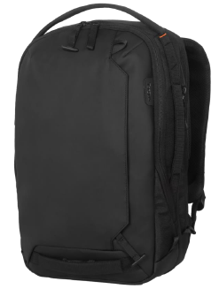 NEW | • ช่องเก็บของป้องกันสำหรับแล็ปท็อปและแท็บเล็ต • ซิปล็อกได้ทั้งบนแล็ปท็อปและช่องหลัก • ช่องหลักขยายได้ตั้งแต่ 16 ถึง 20 ลิตร • ขั้วต่อ USB-C ที่กำลังรอการจดสิทธิบัตรเพื่อชาร์จโทรศัพท์ของคุณระหว่างเดินทาง • สายสะพายไหล่ตามหลักสรีรศาสตร์และสายรัดหน้าอกปรับได้ • แผงด้านหลังตาข่ายระบายอากาศพร้อมช่องรองรับหลังแบบบุนวม • กระเป๋าป้องกัน RFID การโจรกรรมอิเล็คทรอนิคส์ • กระเป๋าหลังซ่อนเพื่อความปลอดภัยเป็นพิเศษ • แถบสะท้อนแสงช่วยเพิ่มการมองเห็น • ผลิตจากขวดน้ำรีไซเคิล 16 ขวด | 3,490 | 3,262 | Limited Lifetime | SnS
Mobile Elite กระเป๋าดีไซน์ฟังก์ชั่นการใช้งานครบครัน พร้อมปกป้องอุปกรณ์ laptop ขอคุณได้อย่างปลอดภัยในทุกเวลา
TGS-TBB618GL | 15-16" Mobile Elite Backpack |  | Backpack • ช่องใส่ขวดน้ำแบบมีซิป 2 ด้าน • สะดวกสำหรับจุดตรวจที่จดสิทธิบัตรเพื่อการตรวจค้นที่สนามบินได้ง่าย • ช่องใส่แล็ปท็อปโดยเฉพาะพร้อมระบบป้องกันสายสะพาย SafePort® • ช่องใส่แว่นตาและของมีค่าบุด้วยผ้านุ่ม • ช่องใส่ของภายในและภายนอกหลายช่อง • สายรัดกระเป๋าเดินทางเพื่อการเดินทางที่สะดวก • สถานีทำงานด้านหน้าพร้อมพวงกุญแจ ช่องกระเป๋าหน้าที่เข้าถึงง่าย • ช่องหลักกว้างขวางพร้อมซิปที่ล็อกได้ • ที่จับด้านบนที่สะดวกสบาย • ฐานกันน้ำ • ด้านหลังตาข่ายระบายอากาศและสายสะพายไหล่ • สายรัดสำหรับรถเข็นยึดกับกระเป๋าเดินทางแบบลาก • ป้ายโลโก้โลหะแบบกำหนดเองและที่ดึงซิปโลหะ Briefcase and Slimcase • ที่จับสำหรับพกพาที่สะดวกสบายพร้อมตะเข็บเสริม • สายสะพายไหล่และแผ่นรองที่ถอดออกได้ • ดีไซน์เพรียวบาง • สายคาดเข็มขัดนิรภัยและตกแต่งด้วย PU (โพลียูรีเทน) • ซิปที่ล็อกได้ในช่องหลัก ที่ดึงซิปโลหะ Sleevecase • ดีไซน์เพรียวบางเหมาะกับแล็ปท็อปขนาด 13-14 นิ้ว • ช่องกระเป๋าด้านหน้าสำหรับเก็บอุปกรณ์เสริม • ป้ายโลโก้โลหะแบบกำหนดเองและที่ดึงซิปโลหะ • ตัดเย็บแบบหนังที่ทนทาน https://ap.targus.com/collections/mobile-elite | 2,390 | 2,234 | Limited Lifetime | SnS
TGS-TBT932GL | 15-16" Mobile Elite Briefcase EOL |  |  | 2,290 | 2,140 | Limited Lifetime | SnS
TGS-TBS951GL | 13-14" Mobile Elite Slimcase EOL |  |  | 1,290 | 1,206 | Limited Lifetime | SnS
TGS-TBS953GL | 13-14" Mobile Elite Sleeve EOL |  |  | 850 | 794 | Limited Lifetime | SnS
**New HyperPack จัดระเบียบ ป้องกัน และเชื่อมต่ออยู่เสมอด้วย HyperPack จากแบรนด์ HYPER® ออกแบบมาเพื่อการเดินทางและการใช้งานในชีวิตประจำวัน
TGS-HP21PBKGL | 16" HyperPack Backpack | 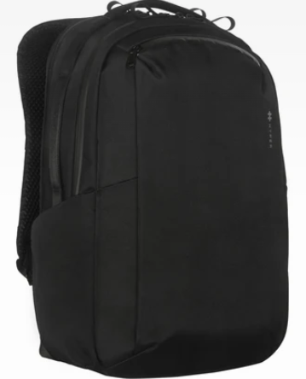 | • วัสดุทนทานต่อการเสียดสีและสภาพอากาศ • ระบบชาร์จ HyperPack ชาร์จแล็ปท็อป แท็บเล็ต AirPods และ iPhone ของคุณผ่านช่องชาร์จ • ช่องเก็บของพร้อมตัวระบุตำแหน่งในตัว • แผ่นรองหลังสามชั้นเพื่อความสบายตลอดวัน • ช่องสำหรับเสียบกับกระเป๋าเดินทาง ช่วยจัดระเบียบอุปกรณ์อิเล็กทรอนิกส์ของคุณ • ภายในมีช่องแยกสามช่องและช่องชาร์จไฟ ช่วยให้คุณชาร์จอุปกรณ์และจัดเก็บสิ่งของได้อย่างเป็นระเบียบ • ผลิตจากโพลีเอสเตอร์รีไซเคิล RPET 1200D และซิปกันน้ำ ให้ความทนทานและกันน้ำได้สูงสุด • ใช้วัสดุรีไซเคิลเทียบเท่ากับขวดน้ำพลาสติก 20 ขวด https://www.hypershop.com/products/hyperpack?srsltid=AfmBOoo3wEysrrKkpZsToTnTaWlorPSpzbE8uVeSimSIorK5KRIsMVYT | 2,290 | 2,140 | Limited Lifetime | SnS
SAGANO EcoSmart® กระเป๋าดีไซน์ร่วมสมัยรูปทรงมาตรฐาน ใช้งานได้อเนกประสงค์ในชีวิตประจำวัน
TGS-TBB63402 | 15.6" Sagano EcoSmart Travel Backpack - Blue EOL |  | • การออกแบบมินิมอลทูโทนที่กำลังเป็นเทรนด์ • ช่องใส่แล็ปท็อปแยกต่างหากพร้อมสายคล้องไหล่ Safeport • ผลิตจากขวด PET รีไซเคิล 9 ขวด • สายสะพายไหล่ที่ออกแบบตามหลักสรีรศาสตร์ • กระเป๋าซ่อนพร้อมผ้าคลุมกันฝน • สายสะพายรถเข็น • สถานีทำงานพร้อมกระเป๋า RFID และกระเป๋าใส่แท็บเล็ตแบบบุโฟม • กระเป๋าหน้าด้านนอก 2 ช่อง | 2,190 | 2,047 | Limited Lifetime | SnS
TGS-TBB634GL | 15.6" Sagano EcoSmart Travel Backpack - Grey EOL |  |  | 2,190 | 2,047 | Limited Lifetime | SnS
TGS-TBB63602 | 15.6" Sagano EcoSmart Campus Backpack - Blue EOL |  | • ดีไซน์ทันสมัย ​​เรียบง่าย พร้อมรูปทรงเพรียวบาง • ช่องใส่แล็ปท็อปแบบบุด้วยโฟม • กระเป๋าหน้าแบบมีซิปขนาดใหญ่ • สถานีทำงานที่สะดวกสบายพร้อมห่วงใส่ปากกา ที่ใส่บัตร และกระเป๋าแบบมีซิป • สายสะพายไหล่ปรับได้เพื่อความสบาย • แผ่นหลังบุด้วยผ้าตาข่ายระบายอากาศเพื่อการหมุนเวียนของอากาศ • กระเป๋าใส่ขวดน้ำ 2 ช่อง • ผลิตจากขวด PET รีไซเคิล 7 ขวด | 1,590 | 1,486 | Limited Lifetime | SnS
TGS-TBB63603 | 15.6" Sagano EcoSmart Campus Backpack - Cabernet EOL |  |  | 1,490 | 1,393 | Limited Lifetime | SnS
TGS-TBB636 | 15.6" Sagano EcoSmart Campus Backpack - Grey Only in stock |  |  | 1,490 | 1,393 | Limited Lifetime | SnS
TGS-TBS57402 | 14" Sagano EcoSmart Slipcase - Blue |  | • On-trend, two-tone, minimalistic design • Padded laptop compartment • Easy access, zippered front pocket • Comfort handles and removable shoulder strap • Trolley strap secures to rolling luggage Made from 6 recycled PET bottles EOL | 1,190 | 1,112 | Limited Lifetime | SnS
TGS-TBS57403 | 14" Sagano EcoSmart Slipcase - Cabernet |  |  | 1,190 | 1,112 | Limited Lifetime | SnS
TGS-TBS574 | 14" Sagano EcoSmart Slipcase - Grey |  |  | 1,190 | 1,112 | Limited Lifetime | SnS
**New Transpire™ Active Sport Collection กระเป๋าที่ดีไซน์สปอต ที่ใช้งานได้หลากหลายกิจกรรมประจำวัน ให้ชีวิตสะดวกสบายมากขึ้นสำหรับทุกช่วงวัย
TGS-TBB632 | 15.6" Transpire Compact Everyday Backpack - Black EOL |  | • Lightweight and functional with sporty detail • Separate padded laptop compartment • Large main compartment with workstation & tablet pocket • Exterior front pocket • Contoured/Padded Back panel for support • Luggage strap for convenient travel • Webbing loop hook detail • 2x side water bottle pockets – fits bottles up to 90mm diameter • Sunglass loops • Water resistant base • Reflective accents • Est. capacity: 19L • Fits 15.6” Laptops (incl Macbook 16” & 15-16” similar sized laptops) | 1,790 | 1,673 | Limited Lifetime | SnS
TGS-TBB63202 | 15.6" Transpire Compact Everyday Backpack - Blue EOL |  |  | 1,790 | 1,673 | Limited Lifetime | SnS
TGS-TBB633GL | 15.6 "Transpire Advanced Backpack - Black Only in stock |  | • น้ำหนักเบาและใช้งานได้จริงพร้อมรายละเอียดสปอร์ต • ช่องใส่แล็ปท็อปแบบบุนวมแยกพร้อมสายคล้องไหล่ป้องกัน • ช่องหลักขนาดใหญ่พร้อมช่องใส่แท็บเล็ตและเวิร์กสเตชันแบบบุนวม • ช่องด้านหน้า 2 ช่อง / ช่องซ่อนพร้อมผ้าคลุมกันฝน • สายรัดกระเป๋าเดินทางเพื่อความสะดวกในการเดินทาง • ตะขอแบบห่วงผ้าทำหน้าที่เป็นที่จับรองได้ • ช่องด้านข้างสำหรับใส่ขวดน้ำ 2 ช่อง – ใส่ขวดน้ำที่มีเส้นผ่านศูนย์กลางไม่เกิน 90 มม. • ห่วงคล้องแว่นกันแดด • ตัวดึงที่ล็อกได้ • ฐานกันน้ำ • แถบสะท้อนแสง • ความจุโดยประมาณ: 23 ลิตร* • ใส่แล็ปท็อปขนาด 15.6 นิ้วได้ (รวมถึง MacBook ขนาด 16 นิ้ว และ 15-16 นิ้ว ขนาดใกล้เคียงกัน) | 1,990 | 1,860 | Limited Lifetime | SnS
TGS-TBB63302 | 15.6 "Transpire Advanced Backpack - Blue EOL |  |  | 1,990 | 1,860 | Limited Lifetime | SnS
**New Avila กระเป๋าดีไซน์สวยหรู ออกแบบด้วยแฟชั่นไลฟ์สไตล์ที่เรียบกระชับระดับแบรนด์เนม
TGS-TBB65002GL | Avila 15-16" Backpack, Midnight Navy | 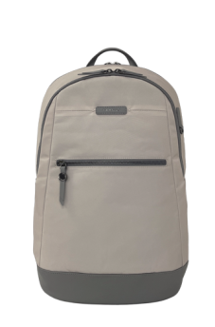 New | • ช่องใส่แล็ปท็อปโดยเฉพาะ • ซิปโลหะและฮาร์ดแวร์ • ช่องเก็บของมีค่าซ่อนอยู่ • ซับในสีสันสดใส • ช่องซิปด้านในและช่องเสริมมากมาย • ช่องเก็บของด้านหน้า • หูหิ้วด้านบนสัมผัสนุ่มมือ • สายสะพายรถเข็น • ฐานกันน้ำเสริมความแข็งแรง https://us.targus.com/collections/avila-collection/products/15-16-avila-backpack-midnight-tbb65002gl | 2,290 | 2,140 | Limited Lifetime | SnS
TGS-TBB65013GL | Avila 15-16" Backpack, French Oak |  |  | 2,290 | 2,140 | Limited Lifetime | SnS
TGS-TBB65102GL | Avila 15-16" 2-in-1 Convertible Tote/ Backpack, Midnight Navy | New | • ปรับเปลี่ยนเป็นกระเป๋าเป้หรือกระเป๋าโท้ทได้อย่างง่ายดาย • ช่องเก็บของด้านหน้า • ช่องซิปด้านในและช่องอื่นๆ อีกมากมาย • ซิปและฮาร์ดแวร์โลหะ • ช่องใส่แล็ปท็อปปิดด้วยแม่เหล็ก • สายสะพายไหล่ซ่อนได้ • หูหิ้วด้านบนปิดด้วยแม่เหล็ก • ซับในสีสันสดใส ช่วยให้ค้นหาสิ่งของได้ง่าย https://us.targus.com/products/15-16-avila-convertible-tote-backpack-french-oak-tbb65113gl | 2,190 | 2,047 | Limited Lifetime | SnS
TGS-TBB65113GL | Avila 15-16" 2-in-1 Convertible Tote/ Backpack French Oak |  |  | 2,190 | 2,047 | Limited Lifetime | SnS
TGS-TBA00102GL | Avila 15-16” Tote Bag, Midnight Navy | 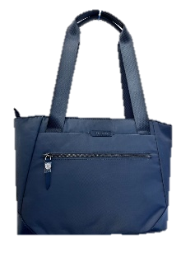 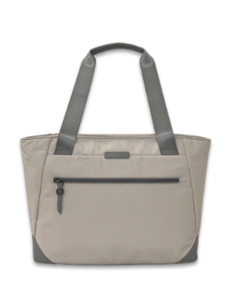 New | • ช่องเก็บของภายในขนาดใหญ่สำหรับเก็บของได้หลากหลายขนาด • หูหิ้วด้านบนสัมผัสนุ่มมือ • ช่องเก็บของด้านหน้า • ช่องปิดแม่เหล็กสำหรับช่องใส่แล็ปท็อป • ซิปและฮาร์ดแวร์โลหะ • ช่องปิดแม่เหล็กสำหรับช่องภายนอก • ช่องซิปด้านในและช่องเสริมอีกมากมาย • ซับในสีสันสดใส ช่วยให้ค้นหาของได้ง่าย https://us.targus.com/products/15-16-avila-tote-midnight-tba00102gl | 2,090 | 1,953 | Limited Lifetime | SnS
TGS-TBA00113GL | Avila 15-16” Tote Bag, French Oak |  |  | 2,090 | 1,953 | Limited Lifetime | SnS
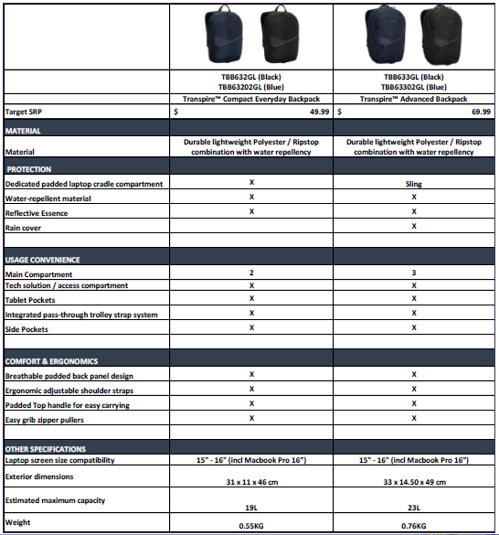
Work+/Work+Play Backpack EcoSmart® กระเป๋าดีไซน์ใหม่ ที่สามารถปรับฟังก์ชั่นการใช้งานได้หลากหลาย ขยายช่วงเวลาทำงานของคุณให้เป็นช่วงเวลาพักผ่อน
TGS-TBB657GL | 15-16" Work+ EcoSmart® Backpack | 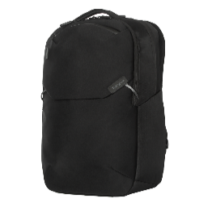 | • กระเป๋าใส่อุปกรณ์อิเล็กทรอนิกส์แบบถอดได้และช่องใส่ของขนาด 15 - 16 นิ้ว​ • สายรัดแบบยืดหยุ่นหลายจุดสำหรับกระดูกอก สายคาดสำหรับรถเข็น ระบบรักษาความปลอดภัย และสายรัด​ • ช่องเก็บของที่ล็อกได้​ • กระเป๋าข้างแบบซ่อนเพื่อความปลอดภัย​ • แว่นกันแดดบุผ้านุ่ม/ช่องเก็บของด้านบน​ • กระเป๋าข้างแบบขยายได้สำหรับขวดน้ำ (9 ออนซ์) หรือขาตั้งกล้อง​ • พื้นที่จัดเก็บที่ยืดหยุ่นได้ระหว่างช่องด้านหน้าและด้านหลัง​ • พวงกุญแจ​ • กระเป๋าใส่อุปกรณ์ติดตาม​ • แผงด้านหลังระบายอากาศได้พร้อมการไหลเวียนของอากาศ​ • ภายในทำจากวัสดุรีไซเคิล รวมถึงขวดน้ำจำนวน 7 ขวด​ https://us.targus.com/products/15-16-work-ecosmart-backpack-tbb657gl | 2,290 | 2,140 | Limited Lifetime | SnS
TGS-TBS969 | 14" Work+ 3-in-1 Tech Brief Black | 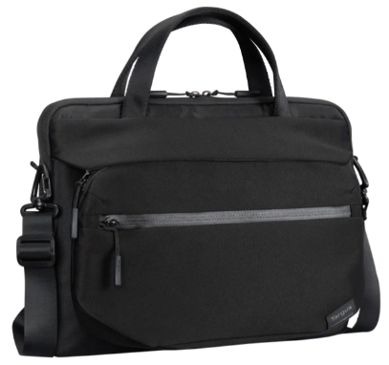 New | กระเป๋าใส่แล็ปท็อปอเนกประสงค์ 3-in-1 สามารถเปลี่ยนจากกระเป๋าเอกสารเป็นกระเป๋าแขนหรือกระเป๋าสะพายข้างได้ ให้การปกป้องแล็ปท็อป 360 องศา และใช้งานได้อย่างสะดวกสบายตั้งแต่ที่ทำงานไปจนถึงสนามบิน • กระเป๋าอเนกประสงค์ 3in1: กระเป๋าเอกสาร, กระเป๋าใส่แล็ปท็อป, กระเป๋าใส่อุปกรณ์อิเล็กทรอนิกส์/สายสะพาย • ปกป้องแล็ปท็อปขนาดสูงสุด 14 นิ้วได้ 360° • กระเป๋าใส่แล็ปท็อปพร้อมหูหิ้วคู่, ซิปคู่ และช่องลับด้านข้าง • กระเป๋าใส่อุปกรณ์อิเล็กทรอนิกส์/สายสะพายแบบถอดได้ พร้อมช่องซิปสองช่อง • สายรัดซิปกันขโมยที่ช่องใส่กุญแจ พร้อมสายสะพายไหล่ปรับได้และถอดได้ • สายรัดสำหรับต่อกับกระเป๋าเดินทาง • พื้นที่จัดเก็บที่ยืดหยุ่นได้ระหว่างช่องด้านหน้าและด้านหลัง​ • ภายในทำจากวัสดุรีไซเคิล รวมถึงขวดน้ำ 2 ขวด https://ap.targus.com/products/13-14-work-%E2%84%A2-3-in-1-tech-brief | 1,990 | 1,860 | Limited Lifetime | SnS
TGS-TBB609GL | 15-16" Work+ Convertible Daypack |  | • ช่องหลักและช่องใส่แล็ปท็อปขนาดใหญ่ • ช่องหลักเพิ่มความจุได้มากขึ้น • เปลี่ยนเป็นกระเป๋าถือได้ด้วยสายสะพายซ่อน • สายสะพายไหล่ทรงโค้ง • ช่องใส่รองเท้าภายนอกแยกต่างหาก • ช่องเปิดใส่ของจากด้านบนพร้อมหัวซิปล็อกและตัวล็อกแม่เหล็ก • ผลิตจากวัสดุกันน้ำ | 2,490 | 2,327 | Limited Lifetime | SnS
TGS-TBB65802GL | 15-16” Work+ Play Trio Backpack | 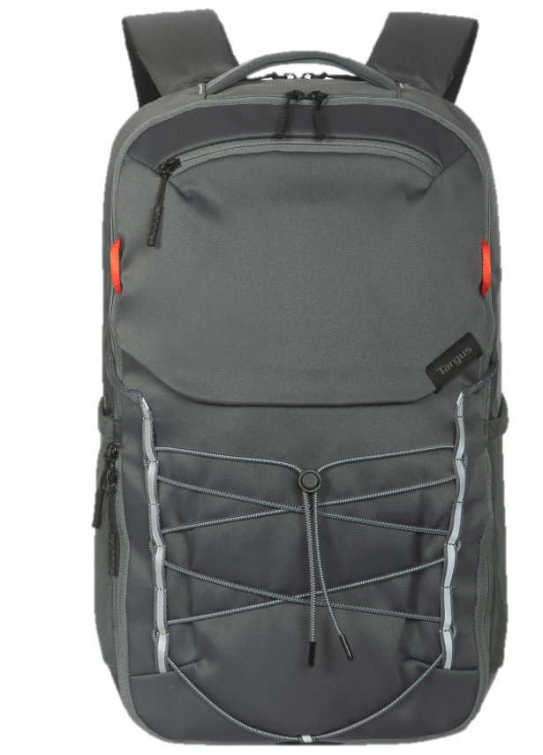 New | • ช่องใส่แล็ปท็อปขนาด 15-16 นิ้วโดยเฉพาะ • แผงด้านหลังสูงขึ้น • ช่องหลัก 3 ช่อง - แล็ปท็อป - อุปกรณ์สำหรับทำงาน - รองเท้า / ชุดลำลอง • สายรัดปรับระดับได้ที่ด้านหน้า • ช่องเก็บของด้านหน้า / ช่องใส่ขวดน้ำขนาด XL 2 ช่อง • สายรัด Multi-Flex - สายรัดหน้าอก / สายรัดกระเป๋าเดินทาง วัสดุรีไซเคิล ช่วยลดปริมาณขวดพลาสติกที่ถูกฝังกลบเทียบเท่ากับ 7 ขวด https://ap.targus.com/products/15-16-targus-work-play%C2%AE-trio-backpack | 2,290 | 2,140 | Limited Lifetime | SnS
TGS-TBB65905GL | 15-16” Work+ Play Flex Backpack | 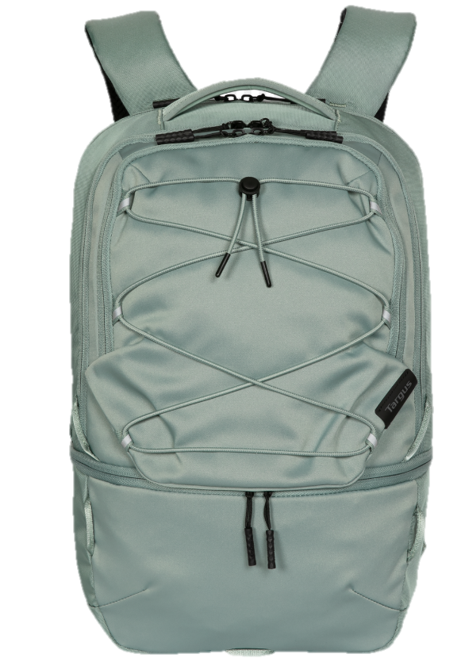 New | • ช่องใส่แล็ปท็อปขนาด 15-16 นิ้วโดยเฉพาะ • แผงด้านหลังสั้นลงแต่ลึกขึ้น • ฐานปรับได้เพื่อให้ผู้ใช้สามารถจัดวางช่องต่างๆ ได้เอง • ช่องหลัก 3 ช่อง - แล็ปท็อป - อุปกรณ์ทำงาน - รองเท้า / ชุดลำลอง / อาหาร • สายรัดปรับระดับได้ที่ด้านหน้า • ช่องใส่ขวดน้ำขนาด XL ซ่อนอยู่ • สายรัดแบบยืดหยุ่น - สายรัดหน้าอก / สายรัดกระเป๋าเดินทาง • ผลิตจากวัสดุรีไซเคิล ช่วยลดปริมาณขวดพลาสติกที่ถูกฝังกลบเทียบเท่ากับ 5 ขวด https://ap.targus.com/products/15-16-targus-work-play%C2%AE-flex-backpack | 2,390 | 2,234 | Limited Lifetime | SnS
TGS-TBB610 | 15-16" Work+ Expandable 27L Daypack EOL |  | •Expandable main compartment provides more capacity •Load from the top or zip completely open to lay flat •Lockable zipper head •Top and side grab handles •Ergonomic shoulder straps •Trolley strap secures bag to your luggage •Separate exterior footwear compartment •Concealed water bottle pocket •Made from water-resistant materials | 2,590 | 2,421 | Limited Lifetime | SnS
TGS-TBB611 | 15-16" Work+ Expandable 32L Daypack EOL |  | •Expandable main compartment provides more capacity •Dedicated laptop compartment with SafePort® Sling Protection System •Unique top- and front-loading design •Numerous exterior pockets, including 2 water bottle pockets •Separate exterior footwear compartment •Front and side grab handles •Trolley strap secures to your luggage •Made from water-resistant materials •Stretchable jacket/accessory loop | 2,690 | 2,514 | Limited Lifetime | SnS
**NEW Spring Back to School กระเป๋าอเนกประสงค์ ดีไซน์ทันสมัย พร้อมปรับฟังก์การใช้งานได้ตามความต้องการ
TGS-TBB66209GLR | 14" Spring Back to School Backpack | 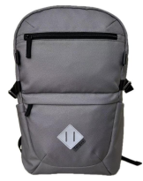 NEW | รุ่น 14" • ช่องใส่แล็ปท็อปบุนวม รองรับอุปกรณ์ขนาดสูงสุด 14 นิ้ว • ช่องกระเป๋าด้านนอก 2 ช่อง และช่องกระเป๋าด้านใน 3 ช่อง • ช่องกระเป๋าด้านข้าง 2 ช่อง สำหรับใส่ขวดน้ำหรือสิ่งของขนาดเล็ก • สายสะพายไหล่ทรงโค้งมน • แถบสะท้อนแสงเพื่อเพิ่มการมองเห็น รุ่น 15.6" • ช่องใส่แล็ปท็อปบุนวม รองรับอุปกรณ์ขนาดสูงสุด 16 นิ้ว • ระบบรัดหมวกกันน็อค • ช่องกระเป๋าด้านนอก 2 ช่อง และช่องกระเป๋าด้านใน 3 ช่อง • ช่องกระเป๋าด้านข้าง 2 ช่อง สำหรับใส่ขวดน้ำหรือสิ่งของขนาดเล็ก • ช่องเก็บของเพื่อความปลอดภัย • สายสะพายไหล่ทรงโค้งมน • แถบสะท้อนแสงเพื่อเพิ่มการมองเห็น | 1,290 | 1,206 | Limited Lifetime | SnS
TGS-TBB66104GLR | 15.6" Spring Back to School Backpack |  |  | 1,390 | 1,299 | Limited Lifetime | SnS
**NEW Octave III Backpack กระเป๋าอเนกประสงค์มาพร้อมสีสันสดใส ดีไซน์เรียบง่ายพร้อมปรับฟังก์การใช้งานได้ตามความต้องการ
TGS-TBB653GL | 15.6" Octave III Backpack - Black | 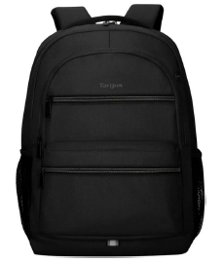 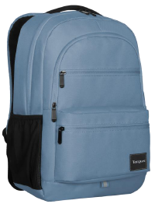 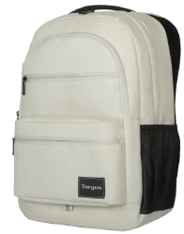 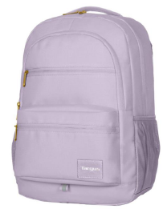 | > ช่องใส่แล็ปท็อปแบบบุนวม > ช่องรองพร้อมเวิร์กสเตชันในตัว > สายสะพายไหล่แบบบุนวมและแผงด้านหลัง > ช่องใส่ขวดน้ำ 2 ช่อง ช่องใส่ของด้านหน้า 2 ช่อง > ช่องร้อยสายเคเบิลที่เข้าถึงได้ง่าย > แถบสะท้อนแสงเพื่อเพิ่มการมองเห็น > หูหิ้วที่สะดวกสบาย https://ap.targus.com/products/15-6-octave-iii-backpack-blue-fog?ref=isp_rel_prd&isp_ref_pos=2 | 1,190 | 1,112 | Limited Lifetime | SnS
TGS-TBB65302GL | 15.6" Octave III Backpack - Blue |  |  | 1,190 | 1,112 | Limited Lifetime | SnS
TGS-TBB65313GL | 15.6" Octave III Backpack - Tan |  |  | 1,190 | 1,112 | Limited Lifetime | SnS
TGS-TBB65307GL | 15.6" Octave III Backpack - Orchid |  |  | 1,190 | 1,112 | Limited Lifetime | SnS
**NEW Paule II EcoSmart® Sleeve ออกแบบมาสำหรับมืออาชีพยุคใหม่ ดีไซน์เพรียวบางทันสมัย ​​พร้อมการปกป้องแล็ปท็อปที่เหนือกว่า ผลิตจากวัสดุที่เป็นมิตรต่อสิ่งแวดล้อม
TGS-TBS97002GL | 13-14" Pulse II EcoSmart Sleeve Blue | 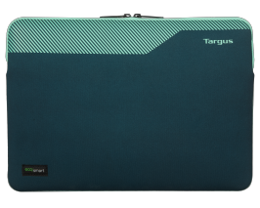 New | · ดีไซน์เพรียวบางและทันสมัย​ · เคลือบสารกันน้ำที่ทนทาน​ · พิมพ์ลวดลายจับเพื่อเพิ่มสัมผัสป้องกันการลื่น​ · ปกป้องแล็ปท็อปด้วยนีโอพรีน​ · ซับในแบบขัดเงาภายในช่วยป้องกันแล็ปท็อปจากรอยขีดข่วน​ · ปิดด้วยซิปคู่​ · ผลิตจากวัสดุรีไซเคิล – ขวดพลาสติก 2 ขวดต่อปลอกช่วยให้ไม่ต้องนำไปฝังกลบ | 790 | 738 | Limited Lifetime | SnS
TGS-TBS97004GL | 13-14" Pulse II EcoSmart Sleeve Charcoal |  |  | 790 | 738 | Limited Lifetime | SnS
TGS-TBS97005GL | 13-14" Pulse II EcoSmart Sleeve Green |  |  | 790 | 738 | Limited Lifetime | SnS
TGS-TBS97102GL | 15-16" Pulse II EcoSmart Sleeve Blue |  |  | 890 | 832 | Limited Lifetime | SnS
TGS-TBS97104GL | 15-16" Pulse II EcoSmart Sleeve Charcoal |  |  | 890 | 832 | Limited Lifetime | SnS
TGS-TBS97105GL | 15-16" Pulse II EcoSmart Sleeve Green |  |  | 890 | 832 | Limited Lifetime | SnS
**NEW Puffer Sleeve ออกแบบมาสำหรับช่วยปกป้องแล็ปท็อปของคุณด้วยดีไซน์เพรียวบางทัน เก๋ไก๋และมีน้ำหนักเบา
TGS-TBS976GL | Puffer 13-14" Sleeve Black | 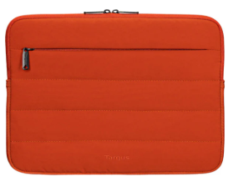 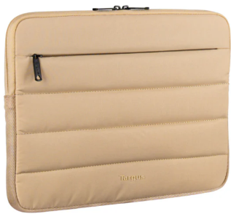 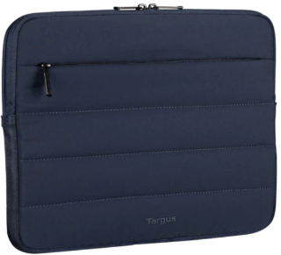 New | - ซองแบบพองสำหรับแล็ปท็อปและแท็บเล็ตขนาด 13-14 นิ้ว และ 15-16 นิ้ว - ด้านนอกนุ่มและพองตัว - ด้านในบุด้วยผ้าเวลโบ ช่วยป้องกันขอบอุปกรณ์จากรอยขีดข่วน - ซิปคู่รอบช่องหลัก - ช่องซิปด้านหน้าขนาดใหญ่ ช่วยจัดเก็บอุปกรณ์เสริมได้อย่างเป็นระเบียบ และปลอดภัย - วัสดุน้ำหนักเบา พับเก็บได้ | 790 | 738 | Limited Lifetime | SnS
TGS-TBS97608GL | Puffer 13-14" Sleeve - Rust Orange |  |  | 790 | 738 | Limited Lifetime | SnS
TGS-TBS97602GL | Puffer 13-14" Sleeve - Midnight Blue |  |  | 790 | 738 | Limited Lifetime | SnS
TGS-TBS97613GL | Puffer 13-14" Sleeve – Beige |  |  | 790 | 738 | Limited Lifetime | SnS
TGS-TBS975GL | Puffer 15-16" Sleeve - Black |  |  | 890 | 832 | Limited Lifetime | SnS
TGS-TBS97508GL | Puffer 15-16" Sleeve - Rust Orange |  |  | 890 | 832 | Limited Lifetime | SnS
TGS-TBS97502GL | Puffer 15-16" Sleeve - Midnight Blue |  |  | 890 | 832 | Limited Lifetime | SnS
TGS-TBS97513GL | Puffer 15-16" Sleeve - Beige |  |  | 890 | 832 | Limited Lifetime | SnS
**NEW Geolite EcoSmart® กระเป๋าอเนกประสงค์ดีไซน์ร่วมสมัย ผลิตจากวัสดุที่เป็นมิตรต่อสิ่งแวดล้อม
TGS-TSB960GL | 15.6” Geolite Essential Backpack - Black | 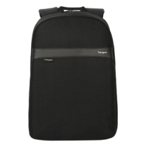 NEW | > ช่องใส่แล็ปท็อปแบบบุด้วยโฟม > กระเป๋าหน้าแบบมีซิปเพื่อให้หยิบของใช้ต่างๆ ได้ง่าย > ผ้ากันน้ำที่ทนทาน > สายสะพายไหล่แบบปรับได้และมีส่วนเว้าโค้ง > แผงด้านหลังบุด้วยโฟมเพื่อความสบายยิ่งขึ้น > หูหิ้วด้านบนสำหรับหยิบและพกพาสะดวก > ภายในทำจากวัสดุรีไซเคิล รวมถึงขวดน้ำ 4 ขวด https://ap.targus.com/products/15-16-geolite-ecosmart%C2%AE-essentials-backpack-black | 1,290 | 1,206 | Limited Lifetime | SnS
TGS-TSB961GL | 15.6” Geolite Plus Multi-Fit Backpack - Black | NEW | > ช่องใส่แล็ปท็อปโดยเฉพาะพร้อมแท่นวางแบบปรับได้หลายตำแหน่งสำหรับแล็ปท็อปขนาด 12-16 นิ้ว > ช่องด้านหน้าแบบมีซิปที่หยิบของได้รวดเร็วและช่องตาข่ายด้านใน > ช่องสำหรับใส่ขวดน้ำที่สะดวกสบาย > ผ้าที่ทนทานและกันน้ำได้ > ดึงซิปโลโก้โลหะเพื่อความสะดวก > สายสะพายไหล่ปรับได้ตามรูปทรงและหูหิ้วด้านบนที่เสริมความแข็งแรง > แผงด้านหลังบุด้วยโฟมและระบายอากาศ > ภายในทำจากวัสดุรีไซเคิล รวมถึงขวดน้ำ 4 ขวด https://ca.targus.com/collections/laptop-bags-cases/products/12-16-geolite-ecosmart%C2%AE-plus-backpack | 1,190 | 1,112 | Limited Lifetime | SnS
TGS-TSB962GL | 15.6” Geolite Advanced Multi-Fit Backpack - Black | NEW | > ช่องใส่แล็ปท็อปโดยเฉพาะพร้อมแท่นวางแบบปรับได้หลายตำแหน่งสำหรับแล็ปท็อปขนาด 14-16 นิ้ว > ช่องหลักรองขนาดใหญ่ > เก็บของได้มากมายด้วยช่องซิปด้านหน้า 2 ช่องที่เข้าถึงได้อย่างรวดเร็วและช่องตาข่ายด้านใน > ช่องใส่ขวดน้ำที่สะดวกสบาย 2 ช่อง > สายรัดกระเป๋าเดินทางแบบสอดผ่านได้ > ผ้าที่ทนทานและกันน้ำได้ > สายสะพายไหล่แบบปรับได้และที่จับด้านบนที่เสริมความแข็งแรง > แผงด้านหลังบุด้วยโฟมและระบายอากาศ > ภายในทำจากวัสดุรีไซเคิล รวมถึงขวดน้ำ 6 ขวด https://ap.targus.com/products/14-16-geolite-ecosmart%C2%AE-advanced-backpack-black?ref=isp_rel_prd&isp_ref_pos=1 | 1,490 | 1,393 | Limited Lifetime | SnS
TGS-TBS576GL | 13"-14" Geolite Topload Laptop Case - Black | 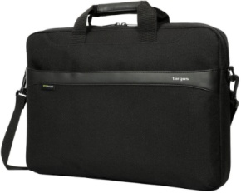 NEW | > ช่องใส่แล็ปท็อปแบบมีซิปบุด้วยโฟมพร้อมแผ่นกั้นเอกสาร > ช่องเก็บของด้านหน้าแบบมีซิป > สายสะพายไหล่แบบปรับได้และถอดออกได้ > สายสะพายสำหรับรถเข็นสัมภาระ > หูหิ้วแบบสัมผัสนุ่มเพื่อความสบายในการถือ > ดีไซน์โปรไฟล์บางพร้อมผ้ากันน้ำ > ภายในทำจากวัสดุรีไซเคิล รวมถึงขวดน้ำ 2 ขวด https://eu.targus.com/collections/geolite-collection/products/15-16-geolite-ecosmart-slim-brief-black-tss984gl | 890 | 832 | Limited Lifetime | SnS
TGS-TSS984GL | 15"-16" Geolite Topload Laptop Case - Black |  |  | 890 | 832 | Limited Lifetime | SnS
TGS-TSS98401GL | 15.6” Geolite Essential Slipcase - Slate Grey |  | > สายรัดแบบลากสะดวกสำหรับกระเป๋าเดินทาง > ช่องใส่แล็ปท็อปโดยเฉพาะสำหรับขนาดสูงสุด 15.6 นิ้ว > สายสะพายไหล่แบบปรับได้และถอดออกได้ > ด้ามจับสัมผัสนุ่มเพื่อความสะดวกสบายในการใช้งาน น้ำหนักเบา ดีไซน์บางเฉียบ > สายสะพายไหล่แบบปรับได้และดึงกลับได้ > หูหิ้วแบบซิปโลโก้โลหะเพื่อความสะดวกในการใช้งาน > ช่องใส่แล็ปท็อปแบบมีซิปและบุด้วยโฟมพร้อมแผ่นกั้นเอกสารและช่องเก็บของด้านหน้าสำหรับใส่โทรศัพท์และอุปกรณ์เสริมอื่นๆ https://ap.targus.com/products/geolite-essential-156-laptop-case-black-tss98401gl | 690 | 645 | Limited Lifetime | SnS
Urban Series กระเป๋าดีไซน์คลาสสิค เรียบหรูอย่างมีระดับ ตอบโจทย์ให้กับทุกไลฟ์สไตล์คนเมือง
TGS-TBB594GL | 15.6" Urban Essential Backpack - Black | 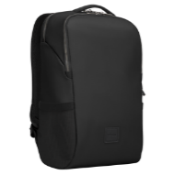 | Slim, Stylish and Minimalistic > Paded laptop pocket > Ergonomic Paded shoulder strap & Back Panel > Spacious main compartment > Two mesh water bottle pockets > Side stash pocket > Luggard pass-Through troller strap | 1,590 | 1,486 | Limited Lifetime | SnS
TGS-TBB59404GL | 15.6" Urban Essential Backpack - Gray | 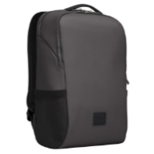 | Slim, Stylish and Minimalistic > Paded laptop pocket > Ergonomic Paded shoulder strap & Back Panel > Spacious main compartment > Two mesh water bottle pockets > Side stash pocket > Luggard pass-Through troller strap | 1,590 | 1,486 | Limited Lifetime | SnS
TGS-TBB595GL | 15.6" Urban Convertible Backpack - Black | 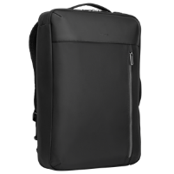 | Practical and Vesatile > Tuck-away, Easy convert backpack to briefcase > Ergonomic Paded shoulder strap & Back Panel > Spacious main compartment > Two mesh water bottle pockets > Front stash pocket > Luggard pass-Through troller strap | 1,590 | 1,486 | Limited Lifetime | SnS
TGS-TBB596GL | 15.6" Urban Expandable Backpack - Black EOL | 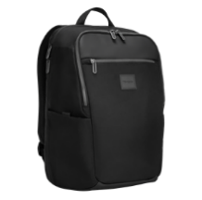 | Expandable with clean line > Expandable function to store extra gear > Ergonomic Paded shoulder strap & Back Panel > Spacious main compartment > Two mesh water bottle pockets > Side stash pocket and comfortable carry handle > Luggard pass-Through troller strap | 1,790 | 1,673 | Limited Lifetime | SnS
TGS-TBB59605GL | 15.6" Urban Expandable Backpack - Olive EOL | 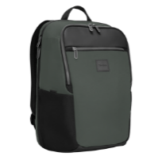 | Expandable with clean line > Expandable function to store extra gear > Ergonomic Paded shoulder strap & Back Panel > Spacious main compartment > Two mesh water bottle pockets > Side stash pocket and comfortable carry handle > Luggard pass-Through troller strap | 1,790 | 1,673 | Limited Lifetime | SnS
TGS-TBS934GL | 13-14” Urban Sleeve - Black EOL |  | •Foam laptop protection •Lined interior protects laptop against scuffs and scratches •Woven materials resist fading, stains, and wetness https://ap.targus.com/products/13-14-urban-sleeve-olive | 690 | 645 | Limited Lifetime | SnS
TGS-TBS93405GL | 13-14” Urban Sleeve - Olive EOL |  |  | 690 | 645 | Limited Lifetime | SnS
Cypress EcoSmart® กระเป๋าอเนกประสงค์ ผลิตจากขวดน้ำพลาสติก Recycle เพื่อความยั่งยืนของธรรมชาติ และลดภาวะโลกร้อน
TGS-TBB584GL | Cypress EcoSmart 15.6" Slim (Black) |  | > ผลิตจากขวดน้ำรีไซเคิล 20 ขวด > ช่องใส่แล็ปท็อปแบบบุโฟมพิเศษ > ช่องใส่แฟ้มและอุปกรณ์ 2 ช่อง > ช่องเก็บของด้านหน้าแบบเก็บของได้รวดเร็ว > ดีไซน์มีโครงสร้างช่วยให้กระเป๋าตั้งตรงได้ > สายสะพายไหล่แบบยืดหยุ่นและแผงด้านหลังบุโฟมเพื่อการพกพาที่สะดวกสบาย > สายรัดกระเป๋าเดินทางแบบลากผ่านได้ > หูหิ้วแบบถือสบาย https://ap.targus.com/products/cypress-ecosmart%C2%AE-15-6-slim-backpack-navy | 1,990 | 1,860 | Limited Lifetime | SnS
TGS-TBB58401GL | Cypress EcoSmart 15.6" Slim (Navy) |  |  | 1,990 | 1,860 | Limited Lifetime | SnS
TGS-TBB587GL | Cypress EcoSmart 15.6" Convertible Black |  | > ผลิตจากขวดน้ำพลาสติกรีไซเคิล 24 ขวด > แปลงจากกระเป๋าเป้เป็นกระเป๋าเอกสารได้ > สายสะพายไหล่สามารถพับเก็บเมื่อไม่ใช้งาน > มีหูหิ้วด้านบนและด้านข้างเพื่อความสบายในการพกพา > มีช่องใส่แล็ปท็อปแบบบุโฟมโดยเฉพาะ > มีช่องใส่ของหลัก 2 ช่องสำหรับใส่เอกสารและอุปกรณ์ พร้อมช่องสำหรับใส่ของชิ้นเล็ก > ช่องเก็บของด้านหน้าแบบเก็บของได้รวดเร็ว > สายสะพายไหล่แบบยืดหยุ่นและแผงด้านหลังบุโฟมเพื่อการพกพาที่สะดวกสบาย > สายรัดสำหรับใส่สัมภาระ https://ap.targus.com/products/cypress-ecosmart%C2%AE-15-6-convertible-backpack-black | 2,190 | 2,047 | Limited Lifetime | SnS
TGS-TBB58702GL | Cypress EcoSmart 15.6" Convertible Grey |  |  | 2,190 | 2,047 | Limited Lifetime | SnS
TGS-TBB58601GL | Cypress EcoSmart 15.6" Backpack - Navy |  | > ผลิตจากขวดน้ำรีไซเคิล 26 ขวด > ช่องใส่แล็ปท็อปแบบบุโฟมพิเศษ > ช่องหลักขนาดใหญ่สำหรับใส่ไฟล์และอุปกรณ์ > โต๊ะทำงานสำหรับอุปกรณ์เสริมขนาดเล็ก > ช่องเก็บของด้านหน้าแบบเก็บของได้รวดเร็ว > การออกแบบที่มีโครงสร้างช่วยให้กระเป๋าตั้งตรงได้ > สายสะพายไหล่แบบยืดหยุ่นและแผงด้านหลังบุโฟมเพื่อการพกพาที่สะดวกสบาย > สายรัดสำหรับใส่สัมภาระแบบลาก > ที่จับสำหรับพกพาที่สะดวกสบาย https://ap.targus.com/products/cypress-ecosmart%C2%AE-15-6-hero-backpack-navy | 2,290 | 2,140 | Limited Lifetime | SnS
TGS-TBB58602GL | Cypress EcoSmart 15.6" Backpack - Grey |  |  | 2,290 | 2,140 | Limited Lifetime | SnS
TGS-TBS92602GL | Cypress EcoSmart 14" Slipcase - Grey |  | > ผลิตจากขวดน้ำพลาสติกรีไซเคิล 12 ขวด > การออกแบบช่องเดียวพร้อมพื้นที่ทำงานช่วยให้มีพื้นที่เพียงพอสำหรับอุปกรณ์ของคุณ > กระเป๋าเก็บของด้านหน้าช่วยให้หยิบของชิ้นเล็ก ๆ ได้อย่างรวดเร็ว > สายสะพายไหล่บุนวมเพื่อการพกพาที่สะดวกสบาย > สายรัดกระเป๋าแบบลากผ่านได้ > ที่จับแบบสัมผัสนุ่ม https://ap.targus.com/products/cypress-ecosmart%C2%AE-14-slimcase-grey | 1,290 | 1,206 | Limited Lifetime | SnS
TGS-TBS64901 | Cypress EcoSmart 11-12" Sleeve - Navy EOL |  | > ผลิตจากขวดน้ำพลาสติกรีไซเคิล 3-5 ขวด > ปกป้องโน้ตบุ๊กด้วยโฟม > ภายในบุด้วยผ้ากำมะหยี่ช่วยป้องกันอุปกรณ์จากรอยขีดข่วนและรอยถลอก > วัสดุเคลือบกันความร้อนช่วยป้องกันการซีดจาง คราบเปื้อน และความชื้น > ขนาด 33.5 x 2.5 x 24.5 ซม. > ระดับการป้องกันดี https://ap.targus.com/products/copy-of-cypress-ecosmart%C2%AE-11-12-sleeve-navy | 750 | 701 | Limited Lifetime | SnS
TGS-TBS64902 | Cypress EcoSmart 11-12" Sleeve - Grey EOL |  |  | 750 | 701 | Limited Lifetime | SnS
TGS-TBS64601 | Cypress EcoSmart 13-14" Sleeve - Navy EOL |  |  | 790 | 738 | Limited Lifetime | SnS
TGS-TBS64602GL | Cypress EcoSmart 13-14" Sleeve - Grey |  |  | 790 | 738 | Limited Lifetime | SnS
Targus® กระเป๋าอนกประสงค์ไซต์ใหญ่พิเศษ 17.3" ใส่ของได้จุใจ พร้อมทุกการเดินทางผจญภัย
TGS-TSB953GL | Targus 17.3" Voyager II Backpack **พร้อม Rain Cover ผ้าคลุมกระเป๋า** |  | > ช่องใส่แล็ปท็อปและแท็บเล็ตบุด้วยโฟมกันกระแทกอย่างดี > สายรัดสำหรับรถเข็นติดกับกระเป๋าเดินทางแบบลากได้ง่าย > ผ้าคลุมกันฝนแบบซ่อนได้ช่วยให้เป้สะพายหลังของคุณแห้งอยู่เสมอ > สายสะพายไหล่กว้างและสบายรับกับรูปร่างของคุณ > สายรัดหน้าอกและเอวที่ปรับได้ช่วยกระจายน้ำหนักของเป้ของคุณอย่างเท่าเทียมกัน > แผ่นหลังบุด้วยโฟมหนาพร้อมช่องระบายอากาศ > กระเป๋าบุด้วยโฟมที่เข้าถึงได้รวดเร็ว เหมาะสำหรับใส่โทรศัพท์หรือแว่นตา > ช่องเก็บอาหารขนาดใหญ่แบบเก็บความร้อนสำหรับใส่อาหารกลางวัน > กระเป๋าใส่ขวดน้ำ/ร่มด้านข้างสองช่อง https://ap.targus.com/products/173-voyager-ii-backpack-tsb953gl | 2,690 | 2,514 | Limited Lifetime | SnS
TGS-TBB664 | 17" Voyager EXP Backpack Black | 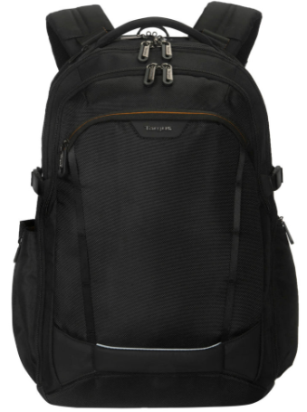 New | กระเป๋าเป้สะพายหลังสำหรับเดินทาง Voyager EXP ขนาด 17 นิ้ว ออกแบบมาอเนกประสงค์และทนทาน มีช่องเก็บของมากมาย ให้การปกป้อง และใช้งานได้จริง > ช่องใส่แล็ปท็อปพร้อมระบบ SafePort® Sling > ดีไซน์ที่จดสิทธิบัตรแล้ว ช่วยให้ผ่านการตรวจสอบที่สนามบินได้ง่ายและสะดวกในการพกพาขึ้นเครื่อง > ระบบป้องกัน และช่องแยกสำหรับแท็บเล็ตขนาด 13 นิ้ว > ช่องหลักขนาดใหญ่ เปิดได้แบบฝาพับ และมีสายรัดเสื้อผ้าแบบถอดได้ ปรับขยายความจุได้ตั้งแต่ 27 ลิตร ถึง 30 ลิตร > ซิปแบบล็อคได้ทั้งในช่องสำหรับอุปกรณ์และช่องหลัก > ช่องทำงานด้านหน้า พร้อมช่องป้องกัน RFID และช่องลับสำหรับใส่เครื่องติดตาม (ไม่รวมเครื่องติดตาม) > หูหิ้วด้านบน ด้านล่าง และแผ่นรองหลังบุนุ่มและระบายอากาศ สายสะพายไหล่ตามหลักสรีรศาสตร์พร้อมตัวกันสั่น > ช่องใส่ขวดน้ำด้านข้างปรับได้ และช่องซิปสำหรับอุปกรณ์เสริมด้านข้าง > สายรัด MOLLE สำหรับติดอุปกรณ์เพิ่มเติม > สายรัดสำหรับยึดกับกระเป๋าเดินทางแบบล้อลาก พร้อมแถบสะท้อนแสงเพื่อเพิ่มการมองเห็น https://ap.targus.com/products/voyager-exp-17-inch-travel-backpack | 2,490 | 2,327 | Limited Lifetime | SnS
TGS-TBB639GL | Targus Strike II 17.3” Gaming Backpack |  | > กระเป๋าเป้สะพายหลังเทคโนโลยีขนาด 26 ลิตรสำหรับปกป้องอุปกรณ์เล่นเกมขณะเดินทาง > ช่องใส่แล็ปท็อปบุนวมขนาดใหญ่สำหรับแล็ปท็อปและคอนโซลขนาดสูงสุด 17.3 นิ้ว > ช่องและห่วงสำหรับชุดเล่นเกมโดยเฉพาะ: เมาส์ ฮาร์ดไดรฟ์ คีย์บอร์ด อะแดปเตอร์ไฟฟ้า แว่นกันแดด หูฟังขนาดใหญ่ และแฟลชไดรฟ์ USB > พกพาสะดวก: สายรัดหน้าอก แผ่นรองหลังระบายอากาศ และแผ่นรองไหล่แบบมีส่วนเว้า > สายสะพายไหล่เพื่อความสบายและกระจายน้ำหนักอย่างเท่าเทียมกัน กระเป๋าซ่อนในแผงด้านหลังช่วยปกป้องสิ่งของมีค่า เช่น กุญแจและกระเป๋าสตางค์ > ผ้าคลุมกันฝนสะท้อนแสงแบบมีเชือกผูกช่วยปกป้องกระเป๋าเป้สะพายหลังทั้งหมด > แถบสะท้อนแสงเพื่อเพิ่มการมองเห็น https://ap.targus.com/products/17-3-strike-ii-gaming-backpack-black | 2,190 | 2,047 | Limited Lifetime | SnS
Targus® Terra, Safire, Motor, Sport, Ascend, Classic, Intellect กระเป๋าอเนกประสงค์ ดีไซน์สวย ใช้งานได้หลากหลายโอกาส ในราคาย่อมเยาว์
TGS-TBB64904GL | Targus 15-16" Terra Backpack - Grey | New | > ออกแบบมาให้ใส่โน้ตบุ๊กขนาดไม่เกิน 15.6 นิ้ว > ช่องใส่โน้ตบุ๊กโดยเฉพาะพร้อมตัวล็อคเพื่อความปลอดภัย > ช่องหลักขนาด 23 ลิตรพร้อมระบบจัดระเบียบที่ใส่ใจ > แผงด้านหลังตาข่ายระบายอากาศพร้อมกระเป๋าซ่อนด้านหลังบริเวณเอว > สายสะพายไหล่บุด้วยโฟมที่ปรับได้และออกแบบตามหลักสรีรศาสตร์ > สายสะพายไหล่มีช่องใส่บัตรแบบซ่อนได้รวดเร็ว > ผ้าคลุมกันฝนแบบถอดออกได้เพื่อป้องกันสภาพอากาศ ระบบรัดหมวกกันน็อค > กระเป๋าข้างแบบขยายได้สำหรับขวดน้ำหรืออุปกรณ์ขนาดเล็ก > สายรัดแบบสอดผ่านได้ในตัว > ผลิตจากวัสดุที่ทนทาน น้ำหนักเบา ทนต่อสภาพอากาศ รวมถึงขวดพลาสติกรีไซเคิล 8 ขวด https://uk.targus.com/products/15-16-terra-ecosmart-backpack-tbb649gl?variant=43621221368006 | 1,690 | 1,579 | Limited Lifetime | SnS
TGS-TBB649GL | Targus 15-16" Terra Backpack - Black | New |  | 1,690 | 1,579 | Limited Lifetime | SnS
TGS-TBB66002GL | 16” Terra Compact Backpack - Blue | New | เบาสบายและเรียบง่าย • ช่องซิปด้านบนด้านหน้า หยิบของได้สะดวก พร้อมระบบกันขโมย • ช่องซิปด้านข้าง 1 ช่อง และช่องใส่ขวดน้ำแบบขยายได้ 1 ช่อง • ระบบกันขโมย • ช่องใส่แล็ปท็อปแบบบุนวมและแบบแขวนสำหรับแล็ปท็อปขนาด 15-16 นิ้ว • สายคล้องกระเป๋าเดินทางแบบสอด • ไนลอนทนทาน กันน้ำ • สายสะพายไหล่ปรับได้ ดีไซน์เข้ารูป พร้อมหูหิ้วด้านบนเสริมความแข็งแรง • แผงด้านหลังระบายอากาศได้ดี • พวงกุญแจ • ขาตั้งได้ • สายรัดหลักทำจากวัสดุรีไซเคิล พร้อมขวดน้ำ 2 ขวด https://ap.targus.com/products/16-terra-compact-backpack-gray | 1,690 | 1,579 | Limited Lifetime | SnS
TGS-TBB66004GL | 16” Terra Compact Backpack - Gray | New |  | 1,690 | 1,579 | Limited Lifetime | SnS
TGS-TBA65202GL | 16” Terra 3-in-1 Totepack - Blue | New | 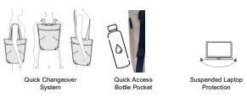 เรียบหรู ล้ำสมัย • ดีไซน์ทันสมัย ​​ปรับเปลี่ยนระหว่างกระเป๋าโท้ท กระเป๋าเป้ และสะพายข้างได้อย่างรวดเร็ว • ช่องใส่ขวดน้ำแบบซิปแยกส่วน / ช่องเก็บของแบบหยิบใช้สะดวก • ช่องใส่แล็ปท็อปขนาด 16 นิ้ว แบบบุนวมและแบบแขวน • ช่องซิปด้านหน้าแบบหยิบใช้สะดวก พร้อมช่องใส่ของแบบสอด 2 ช่อง เพื่อการจัดเก็บของอย่างเป็นระเบียบ • ช่องซิปด้านใน • ไนลอนทนทาน กันน้ำ • พวงกุญแจโลหะ • สายรัดหลักทำจากวัสดุรีไซเคิล รวมขวดน้ำ 7 ขวด https://ap.targus.com/products/16-terra-3-in-1-totepack-blue?ref=isp_rel_prd&isp_ref_pos=4 | 1,690 | 1,579 | Limited Lifetime | SnS
TGS-TBA65204GL | 16” Terra 3-in-1 Totepack - Gray | 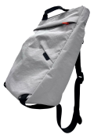 New |  | 1,690 | 1,579 | Limited Lifetime | SnS
TGS-CN600GL | Classic 15.6" Backpack | 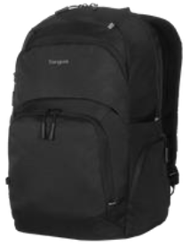 New | • ใส่แล็ปท็อปและแท็บเล็ตขนาด 15-16 นิ้วได้ ดีไซน์ทันสมัยและเรียบง่ายสำหรับมืออาชีพยุคใหม่ • จัดระเบียบสิ่งของได้มากมายด้วยช่องซิป 3 ชั้นด้านหน้าที่เข้าถึงได้รวดเร็ว • ช่องซิปด้านข้าง 1 ช่องและช่องใส่ขวดน้ำ 1 ช่อง • สายรัดกระเป๋าเดินทางแบบสอดผ่านได้ • ผ้ากันน้ำที่ทนทาน • สายสะพายไหล่ปรับได้ตามรูปร่างและหูหิ้วด้านบนที่เสริมความแข็งแรง • แผงด้านหลังระบายอากาศได้ • พวงกุญแจ • สามารถตั้งได้ • ภายในทำจากวัสดุรีไซเคิล รวมถึงขวดน้ำ 6 ขวด | 1,490 | 1,393 | Limited Lifetime | SnS
TGS-CN415 | Classic 15.6" Briefcase Black | 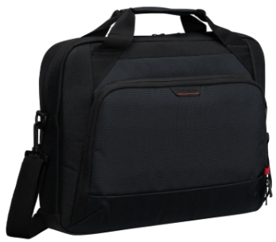 New | จัดระเบียบและเพิ่มประสิทธิภาพการทำงานด้วยกระเป๋าเอกสารทรงเพรียวบางที่ออกแบบมาเพื่อธุรกิจอย่างจริงจัง • ใส่แล็ปท็อปและแท็บเล็ตขนาด 14" และ 15"-16" ด้ ดีไซน์ทันสมัยและเรียบง่ายสำหรับมืออาชีพยุคใหม่ • ช่องหลักพร้อมช่องใส่แล็ปท็อปบุนุ่ม • ช่องด้านหน้าพร้อมที่สำหรับจัดเก็บสิ่งของจำเป็นและอุปกรณ์เสริมขนาดเล็ก • ช่องใส่โทรศัพท์แบบซ่อนพร้อมตัวล็อคแม่เหล็ก • ดีไซน์บางเบา พร้อมภายนอกป้องกันน้ำ สายรัดสำหรับติดกับกระเป๋าเดินทางล้อลาก • หูหิ้วบุนุ่มสบาย สายสะพายไหล่ปรับได้ตามรูปร่างและหูหิ้วด้านบนที่เสริมความแข็งแรง • ซิปป้องกันการโจรกรรมในตัว ที่ช่วยปกป้องทรัพย์สินของคุณจากมือที่คอยล้วงขโมย สายรัดเพื่อความปลอดภัยยิ่งขึ้น • ภายในทำจากวัสดุรีไซเคิล รวมถึงขวดน้ำ 4 ขวด https://ap.targus.com/products/15-16-classic-ecosmart%C2%AE-briefcase?ref=isp_rel_prd&isp_ref_pos=3 | 1,290 | 1,206 | Limited Lifetime | SnS
TGS-CN414 | Classic 14" Briefcase Black |  |  | 1,190 | 1,112 | Limited Lifetime | SnS
TGS-TBT94304 | 15-16” Hybrid Briefcase Backpack | New | เปลี่ยนจากกระเป๋าเอกสารที่ดูเรียบหรูและเป็นทางการ ไปเป็นกระเป๋าเป้สะพายหลังที่สะดวกสบายได้ง่ายๆ เพียงแค่ดึงสายสะพายไหล่ที่พับเก็บได้ > ออกแบบมาให้พอดีกับแล็ปท็อปขนาดสูงสุด 16 นิ้ว > สายสะพายไหล่แบบพับเก็บได้ ปรับรูปทรงให้เข้ากับสรีระ เปลี่ยนจากกระเป๋าเป้สะพายหลังเป็นกระเป๋าเอกสารได้ > ช่องใส่แล็ปท็อปและแท็บเล็ตบุด้วยวัสดุกันกระแทก ช่องสำหรับจัดเก็บอุปกรณ์ขนาดเล็ก แถบซิปกันขโมยที่ทุกช่อง > สายสะพายไหล่ปรับได้และถอดออกได้ > หูหิ้วแบบแม่เหล็กประกบกันเพื่อความปลอดภัยในการถือด้วยมือ > สายรัดสำหรับต่อกับกระเป๋าเดินทางล้อลาก https://ap.targus.com/products/15-16-hybrid-briefcase-backpack | 1,590 | 1,486 | Limited Lifetime | SnS
TGS-TSB710GL | 15-16" Ascend Backpack | 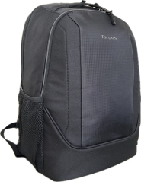 New | • ใส่แล็ปท็อปขนาด 15-16 นิ้ว สะพายข้างได้ กระเป๋าเป้สะพายหลัง Active 25 ลิตรสำหรับ Endurance • ช่องหลักขนาดใหญ่และช่องด้านหน้า • ช่องด้านหน้าแบบซ่อนเพื่อการเข้าถึงที่รวดเร็ว • เก็บของได้มากมายด้วยช่องด้านหน้าแบบมีซิป 2 ช่อง พร้อมช่องใส่ของแบบสอดและสถานีทำงานภายใน • ช่องสำหรับใส่ขวดน้ำที่สะดวกสบาย 2 ช่อง • ผ้าทนทานและกันน้ำ • สายสะพายไหล่ปรับได้ตามรูปร่างและที่จับด้านบนเสริมความแข็งแรง • แผงด้านหลังบุด้วยโฟมและระบายอากาศพร้อมสายคาดสำหรับรถเข็น | 1,290 | 1,206 | Limited Lifetime | SnS
TGS-TSB300AP | 15.6" Element Backpack | 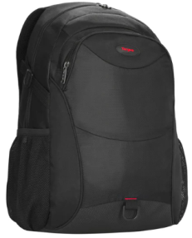 New | > ออกแบบมาให้พอดีกับแล็ปท็อปขนาดสูงสุด 15.6 นิ้ว > ช่องใส่แล็ปท็อปแบบโฟมที่พอดีตัว พร้อมช่องใส่ของเสริมที่ทันสมัย > ช่องลับที่แผงด้านหลัง ผ้าคลุมกันฝนแบบถอดออกได้ในตัว > ช่องใส่ขวดน้ำสองช่อง และช่องด้านหน้าที่เข้าถึงได้รวดเร็ว > ช่องตาข่ายแยกต่างหากสำหรับเก็บแท็บเล็ตหรือเอกสารของคุณ > สรีรศาสตร์เพื่อให้เข้ากับหลังและไหล่ของคุณด้วยแผงด้านหลังและสายสะพายไหล่ที่บุด้วยโฟม > ด้ามจับนีโอพรีนที่อ่อนนุ่มเพื่อความสบาย ผลิตจากโพลีเอสเตอร์ 840D ที่ทนทานพร้อมด้านหลัง PU > วัสดุโพลีเอสเตอร์ที่ทนทาน ด้านล่างกันน้ำ ที่ดึงซิปโลหะที่ทนทาน https://ap.targus.com/products/15-6-element-backpack-black-copy | 1,490 | 1,393 | Limited Lifetime | SnS
TGS-TBS579GL | Targus 12-14" Slipcase |  | • ที่ใส่บัตรประจำตัวที่ชัดเจน • สายรัดกระเป๋าเดินทาง • ตัวดึงซิปโลหะที่ทนทาน • กระเป๋าใส่ของด้านหน้าจุของได้มาก • ฐานกันน้ำและทนทาน • สายสะพายไหล่ถอดออกได้ | 1,190 | 1,112 | Limited Lifetime | SnS
TGS-TBS578GL | Targus 11-12" Sideloading Sleeve |  | • การป้องกันด้านข้างที่เสริมกำลัง • ห่วงจับและหูหิ้วที่รวดเร็ว • ภายนอกทำจากนีโอพรีนที่ยืดหยุ่นและน้ำหนักเบา • ที่ใส่บัตรประจำตัวแบบใส • บุภายในด้วย Nyflex ที่นุ่มและป้องกันได้ • กระเป๋าเก็บของด้านหน้า | 850 | 794 | Limited Lifetime | SnS
TGS-TSB194US | Targus 15.6" Motor Backpack |  | > ช่องใส่แล็ปท็อปแบบบุด้วยโฟมพร้อมสายสะพายที่ปลอดภัย > แผงด้านหลังบุด้วยโฟมและสายสะพายไหล่แบบปรับได้ตามหลักสรีรศาสตร์ > สถานีงานขั้นสูงประกอบด้วยห่วงปากกา ช่องใส่โทรศัพท์ คลิปพวงกุญแจ > ช่องใส่ของเสริมด้านนอก/ช่องใส่ขวดน้ำ > ผลิตจากวัสดุโพลีเอสเตอร์ที่ทนทาน https://ap.targus.com/products/16-motor-laptop-backpack | 1,090 | 1,019 | Limited Lifetime | SnS
TGS-TSB89104GL | 15-16" Sport Backpack | New | • ใส่แล็ปท็อปขนาด 15-16 นิ้ว, 20 ลิตร Active และ Compact • ช่องใส่แท็บเล็ต • ช่องหลักขนาดใหญ่และช่องด้านหน้า • ช่องด้านหน้าแบบซ่อนที่เข้าถึงได้รวดเร็ว • แผงจัดระเบียบ • ช่องใส่ขวดน้ำที่สะดวกสบาย 2 ช่อง • ผ้าที่ทนทานและกันน้ำ • สายสะพายไหล่ปรับได้ตามรูปร่างและที่จับด้านบนที่เสริมความแข็งแรง • แผงด้านหลังบุด้วยโฟมและระบายอากาศ | 990 | 925 | Limited Lifetime | SnS
TGS-TBB580GL | 15.6" Safire Essential Backpack |  | > เคสดีไซน์ทันสมัยที่ดูสะอาดตา ออกแบบมาเพื่อปกป้องแล็ปท็อปขนาดสูงสุด 15.6 นิ้ว > ซิปโลหะที่มีโลโก้ที่ทนทาน > ดีไซน์บุนวมเพื่อปกป้องแล็ปท็อปของคุณ > แผงด้านหลังบุนวมและสายสะพายไหล่ที่ปรับได้ > หูหิ้วด้านบนที่ออกแบบเอง > กระเป๋าซิปด้านหน้าที่เข้าถึงได้ง่ายและช่องหลักสำหรับจัดเก็บ/จัดระเบียบ > วัสดุด็อบบี้ที่น้ำหนักเบาและทนทานและการออกแบบผสมผสานกับการตกแต่ง W/R https://ap.targus.com/products/15-6-safire-essential-backpack-black | 990 | 925 | Limited Lifetime | SnS
TGS-TSB883 | Targus 15.6" Safire Backpack |  | > ดีไซน์สะอาดตาสำหรับนักเดินทางในเมือง > ช่องใส่แล็ปท็อปโดยเฉพาะสำหรับขนาดสูงสุด 15.6 นิ้ว > สถานีทำงานอัจฉริยะเพื่อการจัดเก็บที่สะดวก > แผงด้านหลังบุนวมเพื่อการรองรับและความสบาย > สายสะพายไหล่ปรับได้และดึงกลับได้ > กระเป๋าแนวตั้งด้านหน้าที่เข้าถึงได้ง่าย https://ap.targus.com/products/156-safire-backpack-tsb883ap?variant=20814705164350 | 890 | 832 | Limited Lifetime | SnS
TGS-TSB968 | Intellect 15.6" Advanced Backpack Black | 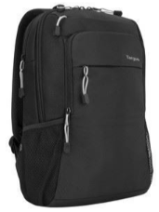 | พกพาสิ่งของจำเป็นของคุณไปในกระเป๋าเป้สะพายหลังทรงเพรียวบาง ที่สามารถจุอุปกรณ์ทั้งหมดของคุณได้โดยไม่ทำให้รู้สึกหนัก > ดีไซน์บางเบา วัสดุโพลีเอสเตอร์ทนทาน กันน้ำ > ช่องใส่แล็ปท็อปโดยเฉพาะสำหรับขนาดสูงสุด 15.6 นิ้ว > แผงด้านหลังระบายอากาศเพื่อความสบาย > สายสะพายไหล่ปรับได้ ออกแบบตามสรีระ > ช่องเก็บของด้านหน้าพร้อมพื้นที่ทำงาน ช่องเก็บของแบบเข้าถึงง่าย 2 ช่อง > ช่องเก็บของเพิ่มเติมสำหรับเอกสาร แฟ้ม และอื่นๆ มาพร้อมช่องใส่ขวดน้ำ 2 ช่อง > สายรัดสำหรับต่อกับกระเป๋าเดินทางล้อลาก https://ap.targus.com/products/156-intellect-advanced-backpack-black-tsb968gl | 990 | 925 | Limited Lifetime | SnS
TGS-TSB966 | Intellect 15.6" Essentials Backpack Black |  | > ดีไซน์บางเบา วัสดุโพลีเอสเตอร์ทนทาน กันน้ำ > ช่องใส่แล็ปท็อปแบบเปิดด้านข้างโดยเฉพาะสำหรับขนาดสูงสุด 15.6 นิ้ว > สายสะพายไหล่ปรับได้ ออกแบบตามสรีระ > แผงด้านหลังบุนวมเพื่อการรองรับและความสบาย > ช่องด้านหน้าสำหรับหยิบของได้ง่าย ช่องเก็บของเพิ่มเติมสำหรับเอกสาร แฟ้ม และอื่นๆ https://ap.targus.com/products/15-6-intellect-essentials-backpack-black | 890 | 832 | Limited Lifetime | SnS
TGS-TXZ028 | Basic Accessory Pouch Black |  | > ช่องหลักขนาดใหญ่ พร้อมช่องตาข่ายด้านใน 3 ช่อง > ตัวรูดซิป 2 จุด หยิบของง่าย > ผลิตจากวัสดุที่ทนทาน > น้ำหนักเบาและกะทัดรัด จัดเก็บง่าย > จุของได้เยอะ เหมาะอย่างยิ่งสำหรับการจัดเก็บและปกป้องอุปกรณ์เสริมขนาดเล็ก เช่น สายเคเบิล สายไฟ เมาส์ แฟลชไดรฟ์ และอื่นๆ https://ap.targus.com/products/tech-accessory-pouch | 450 | 421 | Limited Lifetime | SnS

USB Hub-Docking
Product Code | Product Name & Description | Picture | Details | SRP (In.Vat) | SRP (Ex.Vat) | Warranty | SnS/B2B
TARGUS
USB Multi Port Hub ขยายพอร์ตให้กับ PC/NB เพื่อทางเลือกที่สะดวกสบายให้ทุกพอร์ตการเชื่อมต่อ
TGS-ACH214AP | USB 2.0 4-Port Hub |  | • พอร์ตเชื่อมต่อแบบ USB-A • Designed to work with PC, Mac and netbook computers • Turns one USB port into four • Compact design for added portability | 390 | 364 | 1 Year | SnS
TGS-ACH124US | Targus 4-Port Hub USB 3.0 |  | • พอร์ตเชื่อมต่อแบบ USB-A • 4 USB 3.0 ports • 10x faster (vs USB 2.0) • Plug & Play, no driver needed • No AC adapter needed • Lightweight, compact design | 790 | 738 | 1 Year | SnS
TGS-ACH228AP | USB-C Multi-Port HUB with 100W Power Delivery |  | • พอร์ตเชื่อมต่อแบบ USB-C (Type C) • 4 USB Ports (2 USB-A 3.2/2 USB-C) • USB-C PD Pass-through 100W (20V/5A) • มีระบบป้องกันไฟฟ้าลัดวงจรในตัว • Thunderbolt™ 3 host compatible • ดีไซน์กะทัดรัด น้ำหนักเบา พกพาสะดวก | 1,690 | 1,579 | 1 Year | SnS
TGS-ACA959AP | USB-C Multi-Port Hub with Ethernet Adapter |  | • พอร์ตเชื่อมต่อแบบ USB-C (Type C) • 3 Ports of USB-A 3.2 SuperSpeed 5Gbps ports • Gigabit Ethernet Port supports 10/100/1000 Mbps • Supports up to 5Gbps data transfer rate per USB-A port • Thunderbolt™ 3 host compatible • ดีไซน์กะทัดรัด น้ำหนักเบา พกพาสะดวก | 1,790 | 1,673 | 1 Year | SnS
TGS-ACA953 | USB-C 4K HDMI VIDEO ADAPTER AND CARD READER |  | • พอร์ตเชื่อมต่อแบบ USB-C (Thunderbolt™ 3 host compatible) • 2 Ports of USB-A 3.2 (1 fast charging) • 1 USB-C 3.2 with PD Pass-through 100W (20V/5A) • SD/Micro SD slots supporting Secure Digital v3.0 UHS-I • HDMI Port supports max resolution 4K@30Hz • Supports up to 5Gbps data transfer rate per USB-A and USB-C port • ดีไซน์กะทัดรัด น้ำหนักเบา พกพาสะดวก | 2,190 | 2,047 | 1 Year | By Order MOQ 16 Qty
TGS-ACA951 | USB-C Multi-Port Hub with Ethernet Adapter and 100W Power Delivery |  | • พอร์ตเชื่อมต่อแบบ USB-C (Type C) • 3 Ports of USB-A 3.2 (1 fast charging) • 2 Ports of USB-C (1 PD Pass-through 100W (20V/5A)) • Gigabit Ethernet Port supports 10/100/1000 Mbps • Supports up to 5Gbps data transfer rate per USB-A port • ดีไซน์กะทัดรัด น้ำหนักเบา พกพาสะดวก | 2,990 | 2,794 | 1 Year | SnS
Travel Docking ให้ทุกพอร์ตการเชื่อมต่อทำงานได้ง่ายและรวดเร็ว ขนาดเล็ก กะทัดรัด พกพาสะดวก
TGS-DOCK403 | EcoSmart Mobile Dock with Dual HDMI | New | • 2 HDMI ports Supports up to single and dual 4K@60Hz monitors • Power pass-through up to 140W PD EPR • 1x USB 3.2 Gen 2 Type-C (10Gbps) port or power pass-thru • 2x USB 3.2 Gen 2 Type-A (10Gbps) ports • 2 USB-A 3.2 Gen 1 ports • 1x SD and microSD card reader • 1Gbps Ethernet port • ผลิตจากอลูมิเนียมและพลาสติกรีไซเคิลหลังการใช้งานสูงสุด 75% Works with Windows®, macOS®, Android™, Chrome OS™, and Linux OS https://ap.targus.com/products/dual-video-mobile-dock-with-140w-epr-pass-thru-sd-reader | 3,490 | 3,262 | 3 Years | SnS
TGS-DOCK429 | USB4 Dual Video Mobile Dock with 140W EPR Pass-Thru | 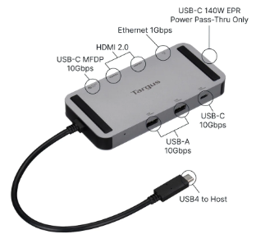 New | • 2 HDMI ports Supports up to single 8K and dual 4K@60Hz monitors • Power pass-through up to 140W PD EPR • 2x USB 3.2 Gen 2 Type-C (10Gbps) ports (1 MFDP, 1 data or power pass-thru • 3x USB 3.2 Gen 2 Type-A (10Gbps) ports • RJ45 Ethernet port supporting 10/100/1000Mbps • ผลิตจากอลูมิเนียมและพลาสติกรีไซเคิลหลังการใช้งานสูงสุด 75% Works with Windows®, macOS®, Android™, Chrome OS™, and Linux OS https://ca.targus.com/collections/travel-docking-stations/products/usb4-dual-4k-hdmi-mobile-dock-with-140w-epr-pass-thru | 4,390 | 4,103 | 3 Years | SnS
TGS-DOCK419AP | USB-C 4K HDMI/VGA Docking Station with 100W k w/ PD USB-C, Alt-Mode |  | • HDMI port supports max resolution 4K@30Hz • VGA port supports max resolution 1920x1200@60Hz • RJ45 Ethernet port supporting 10/100/1000Mbps • 2 USB-A 3.2 Gen 1 ports • USB-C port supports data (5Gbps) and PD Charging 100W (20V/5A) https://ap.targus.com/products/usb-c-dp-alt-mode-single-video-4k-hdmi-vga-docking-station-with-100w-pd-pass-thru | 2,690 | 2,514 | 3 Years | SnS
TGS-DOCK414 | USB-C 4K HDMI Docking Station with Card Reader PD 100W USB-C, Alt-Mode EOL |  | •HDMI port supports max resolution 4K@30Hz •Transfer photos and videos with SD/Micro SD slots •USB-A 3.2 Gen 1 ports (1 fast charging)and 1 USB-C 3.2 Gen 1 port to your host •RJ45 Ethernet port supporting 10/100/1000Mbps •USB-C port supports data (5Gbps) and PD Charging 100W (20V/5A) https://ap.targus.com/products/usb-c-dp-alt-mode-single-video-4k-hdmi-docking-station-with-card-reader-100w-pd-pass-thru-and-removable-usb-c-cable | 3,590 | 3,355 | 3 Years | SnS
TGS-DOCK423 | USB-C DUAL HDMI 4K DOCKING STATION WITH 100W PD | 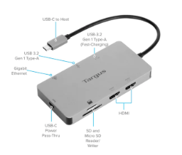 | •HDMI x2 port supports max resolution 4K@30Hz •Transfer photos and videos with SD/Micro SD slots •USB-A 3.2 Gen 1 ports (1 fast charging)and 1 USB-C 3.2 Gen 1 port to your host •RJ45 Ethernet port supporting 10/100/1000Mbps •USB-C port supports data (5Gbps) and PD Charging 100W (20V/5A) | 3,990 | 3,729 | 3 Years | By Order MOQ 16 Qty
TGS-DOCK425 | USB4 Dual Video 4K Docking Station with 85W PD Pass-Thru |  | •USB-C 12" tethered host cable support USB4 and thunderbolt 3-4 •HDMI and Display port supports max resolution 8K@30Hz or dual 4K@60Hz monitors •USB-A 3.2 Gen x2 ports (1 fast charging)and •RJ45 Ethernet port supporting 10/100/1000Mbps •3.5mm port for combo audio inOut Mics, Speakers, Earphones •USB-C port supports data (5Gbps) and PD Passthrough 85W (20V/5A) https://us.targus.com/products/usb4-dual-video-4k-docking-station-85w-pd-pass-thru-dock425glz?srsltid=AfmBOoqmG5mTQ3m-YW_BmC9dNSZ-YZp9tIPd0kwS9qy94f90IR4lMsQ2 | 4,190 | 3,916 | 3 Years | By Order MOQ 20 Qty
Docking Station แก้ไขทุก Solution การเชื่อมต่อให้เป็นเรื่องง่าย (สินค้า By Order ตามจำนวน MOQ เท่านั้น **รอสินค้า 45-60 วัน** มีสต๊อกแค่บางรุ่น)
TGS-DOCK310 | Universal USB-C™ DV4K Docking Station with 65W Power Delivery USB-C, DisplayLink | New | •Supports single 5K and dual 4K UHD HDR @ 60 Hz video via two HDMI 2.0 ports •Power Delivery 3.0 up to 65WDC / 130WAC Power Adapter •1 USB 3.2 Gen 1 Type-C upstream facing port •1 Gigabit Ethernet port for secure, wire speed Ethernet access •3 USB 3.2 Gen 1 Type-A downstream facing ports •1 3.5mm combo Audio In/Out port for mics, speakers, earphones •Integrated lock slot accommodates standard security locks to safeguard equipment •Includes 1-meter USB-C to C host cable (detachable) https://ap.targus.com/products/universal-usb-c-dv4k-docking-station-with-65w-power-delivery-1 | 5,990 | 5,598 | 3 Years | By Order MOQ 6 Qty
TGS-DOCK430 | USB-C™ Multi-Function DisplayPort™Docking Station with 85W Power USB-C, Alt-Mode | New | •Supports single 4K, dual 2K via DisplayPort™ 1.4 and HDMI 2.0 ports •5, 9, 12, 15, 20 VDC Power Delivery up to 85W •1 USB-C™ 3.2 Gen2 port (10Gbps) •1 USB 3.2 Gen1 Type-A fast-charging port; 3 USB 3.2 Gen1 Type-A ports •1 Gigabit Ethernet port •1 3.5mm combo Audio In/Out port for mics, speakers, and earphones •Integrated lock slot accommodates standard security locks to safeguard equipment https://ap.targus.com/products/usb-c%E2%84%A2-multi-function-displayport%E2%84%A2-alt-mode-triple-video-docking-station-with-85w-power | 10,990 | 10,271 | 3 Years | By Order MOQ 6 Qty
TGS-DOCK182 | Dual 4K DisplayLink Docking Station with 100W PD USB-C, DisplayLink | New | •Supports single and dual 4K UHD @ 60 Hz video via two DisplayPort™ 1.2a ports or HDMI 2.0 ports •Power Delivery 3.0 up to 100W for USB-C hosts •1 USB 3.2 Gen 2 Type-C (10 Gbps) port •4 USB 3.2 Gen 1 Type-A ports (1 fast charging) •1 Gigabit Ethernet port •1 3.5mm combo Audio In/Out port •Integrated lock slot accommodates standard security locks to safeguard equipment •1M USB-C detachable host cable (C/M to C/M) with (C/F to A/M) tethered adapter •Compatible with Targus VESA® Mounting Bracket (ACX003GLZ, sold separately https://ap.targus.com/products/usb-c-universal-dv4k-docking-station-with-100w-power-delivery?ref=isp_rel_prd&isp_ref_pos=3 | 11,990 | 11,206 | 3 Years | By Order MOQ 6 Qty
TGS-DOCK190 | USB-C Universal DV4K Docking Station w/ Power (100W) USB-C, DisplayLink |  | •Ultra High Definition dual 4K video (p60) via dual DisplayPort or HDMI ports •Up to 100W charging via Power Delivery (PD) 2.0 Profile 4 •Integrated 5.1 channel audio (via DP or HDMI ports) •4x USB 3.0 ports (1x BC 1.2 charging); 1x USB-C USB 3.1 Gen 1 port (5Gbps) •Gigabit Ethernet port; 1x Combo audio jack, 1x Standard lock slot •1M USB-C cable •Power tips included to power laptop (3A, 3H, 3H2, 3I2, 3P, 3W, 3X9) https://ap.targus.com/products/usb-c-universal-dv4k-docking-station-with-100w-power-dock190ap | 15,900 | 14,860 | 3 Years | By Order MOQ 6 Qty
TGS-DOCK710 | USB-C™ Hybrid/Universal 4K Quad Docking Station with 100W Power Delivery USB-C, DisplayLink/DP Alt Mode USB-C, DisplayLink | 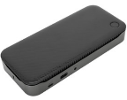 | •Universal (DisplayLink®) and DP Alt Mode host compatible •Supports a single 8K @30hz or up to four 4K UHD @60hz monitors via two HDMI and two DisplayPort™ ports •Power Delivery 3.0 up to 100W for USB-C hosts •1 USB 3.2 Gen 2 Type-C (10 Gbps) port •1 USB 3.2 Gen 2 Type-A (10 Gbps) ports (fast charging) •3 USB 3.2 Gen 1 Type-A (5 Gbps) ports •1 Gigabit Ethernet port •1 3.5mm combo Audio In/Out for mics, speakers, and headphones •Integrated lock slot accommodates standard security locks to safeguard equipment •1M USB-C (10 Gbps) detachable host cable (C/M to C/M) with (C/F to A/M) tethered adapter •Compatible with Targus VESA Mounting Bracket (ACX003GLZ, sold separately) •Compatible with Legacy Laptop DC Cable for Legacy host charging up to 90W (ACC1134GLX, sold separately) | 18,900 | 17,664 | 3 Years | By Order MOQ 6 Qty
TGS-DOCK570 | USB-C™ Universal Quad 4K (QV4K) Docking Station with 100W Power Delivery USB-C, DisplayLink |  | •Supports four 4K displays via 4 DisplayPort (3840 x 2160 p60) or 4 HDMI (3840 x 2160 p50) ports •Thunderbolt™ 3 compatible; 1 USB-C 3.0 port with power (100W) •4 USB 3.0 ports (1 fast charging) connect essential peripherals •1 Gigabit Ethernet port; 1 3.5mm combo Audio In/Out for mics, speakers, and earphones with Apple and Nokia headset auto-detection •Includes USB-C to USB-A Cable to make USB-A laptops compatible with Targus USB-C™ docking stations •Power tips included to power Acer®, ASUS®, Compaq®, Dell™, Fujitsu®, Gateway®, HP®, IBM/Lenovo™ and Toshiba | 20,900 | 19,533 | 3 Years | By Order MOQ 6 Qty
HyperDrive®
Hyper USB C Multi Port Hub โดดเด่นและกะทัดรัด ออกแบบมาเพื่อเชื่อมต่ออุปกรณ์จำเป็น ถ่ายโอนไฟล์ที่รวดเร็วเป็นพิเศษ และดีไซน์ที่ทันสมัย
TGS-HD5200BK | Hyper 4 Port USB-C Hub (2C+2A) BK |  | Ports USB C 5Gbps x 2 USB-A 5Gbps x 2 Compatibility Mac® Windows® PC Chromebook | 650 | 607 | 2 Years
TGS-HD5200BU | Hyper 4 Port USB-C Hub (2C+2A) BL |  |  | 650 | 607 | 2 Years
TGS-HD5201BK | Hyper 4 Port USB-C Hub (4C) BK |  | Ports USB-C 5Gbps x 4 Compatibility Mac® Windows® PC Chromebook | 750 | 701 | 2 Years
TGS-HD5201BU | Hyper 4 Port USB-C Hub (4C) BL |  |  | 750 | 701 | 2 Years
TGS-HD4101BK | Hyper 5 Port USB-C Mobile Dock BK |  | Ports HDMI 4K30Hz USB-C 100W PD 5Gbps USB-C 5Gbps USB-A 5Gbps x 2 Compatibility Mac® Windows® PC Chromebook | 890 | 832 | 2 Years
TGS-HD4101BU | Hyper 5 Port USB-C Mobile Dock BL |  |  | 890 | 832 | 2 Years
TGS-HD4102BK | Hyper 8 Port USB-C Mobile Dock BK |  | Ports HDMI 4K30HzUSB-C 100W PD USB-C 5Gbps USB-A 5Gbps x2 SD 104MB/s MicroSD 104MB/s 3.5mm Audio Jack Compatibility Mac®, Windows®, PC Chromebook | 1,090 | 1,019 | 2 Years
TGS-HD4102BU | Hyper 8 Port USB-C Mobile Dock BL |  |  | 1,090 | 1,019 | 2 Years
TGS-HD4103BK | Hyper Dual HDMI USB-C Mobile Dock BK |  | Ports HDMI 4K60Hz x 2USB-C 100W PD USB-C 5Gbps x 2 USB-A 5Gbps SD 104MB/s MicroSD 104MB/s 3.5mm Audio Jack Compatibility Mac®, Windows® PC, Chromebook™ | 1,490 | 1,393 | 2 Years
TGS-HD4103BU | Hyper Dual HDMI USB-C Mobile Dock BL |  |  | 1,490 | 1,393 | 2 Years
TGS-HD8100BU | USB-C MagSafe Compatible Charging Mobile Dock BL | 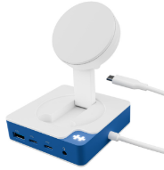 | Ports '7.5W MagSafe Compatible Charger HDMI 4K30Hz USB C 100W PD USB C 5Gbps x 2 USB A 5Gbps SD 104 MBps 3.5 MM Audio Jack Compatibility Mac®, Windows® PC, Google Chromebook™ | 1,790 | 1,673 | 2 Years
TGS-HD5002GL | HyperDrive USB-C to 4 Port USB-A Hub |  | Features Connect 4 USB-A devices Works with latest devices USB-C port Transfer data speeds up to of 5 Gbps Compatibility Mac®, Windows® PC, Google Chromebook™ | 550 | 514 | 2 Years
TGS-HD4001GL | HyperDrive Next 4 Port USB-C Hub |  | Ports HDMI 4K 60 Hz USB-A 10 Gbps Transfer data at 2X speeds with 10 Gbps USB 3.1 USB-C 10 Gbps Transfer data at 2X speeds with 10 Gbps USB 3.1 USB-C 100 W PD 3.0 Compatibility Mac®, Windows® PC, Chromebook™ | 1,290 | 1,206 | 2 Years
TGS-HD4002GL | HyperDrive Next 6 Port USB-C Hub |  | Ports HDMI 4K 60 Hz USB-A 10 Gbps x 2 Transfer data at 2X speeds with 10 Gbps USB 3.1 USB-C 10 Gbps Transfer data at 2X speeds with 10 Gbps USB 3.1 SD 312 MB/s Transfer photos and video at 3X speeds with 312 MB/s SD USB-C 100 W PD 3.0 Compatibility Mac®, Windows® PC, Chromebook™ | 1,590 | 1,486 | 2 Years
TGS-HD4003GL | HyperDrive Next 7 Port USB-C Hub |  | Ports 4K60Hz HDMI 2 x USB-A 10Gbps microSD 312MB/s SD 312MB/s Gigabit Ethernet USB-C 10Gbps 100W PD 3.0 Compatibility Mac®, Windows® PC, Chromebook™ | 1,890 | 1,766 | 2 Years
TGS-HD4004GL | HyperDrive Next 8 Port USB-C Hub |  | Ports HDMI 4K 60 Hz USB-C 10 Gbps Transfer data at 2X speeds with 10 Gbps USB 3.1 USB-A 10 Gbps x 2 Transfer data at 2X speeds with 10 Gbps USB 3.1 microSD 312 MB/s SD 312 MB/s Gigabit Ethernet USB-C 140 W PD 3.1 Compatibility Mac®, Windows® PC, Chromebook™ | 2,290 | 2,140 | 2 Years
HPD-HD4005GL | HyperDrive Next 10 Port USB-C Hub |  | Ports HDMI 4K 60 Hz USB-C 10 Gbps x 2 Transfer data at 2X speeds with 10 Gbps USB 3.1 USB-A 10 Gbps Transfer data at 2X speeds with 10 Gbps USB 3.1 USB-A 5 Gbps microSD 312 MB/s SD 312 MB/s Gigabit Ethernet 3.5mm Audio Jack Combo USB-C 140 W PD 3.1 Compatibility Mac®, Windows® PC, Chromebook™ | 2,490 | 2,327 | 2 Years
TGS-HD4006GL | HyperDrive Next 11 Port USB-C Hub |  | Ports HDMI 4K 60 Hz x 2 USB-C 10 Gbps x 2 Transfer data at 2X speeds up to 10 Gbps USB 3.1 USB-A 10 Gbps Transfer data at 2X speeds up to 10 Gbps USB 3.1 USB-A 5 Gbps microSD 312 MB/s SD 312 MB/s Gigabit Ethernet 3.5mm Audio Jack Combo USB-C 140 W PD 3.1 Compatibility Mac®(Single Monitor), Windows® PC(Dual Monitor), Chromebook™(Dual Monitor), | 2,990 | 2,794 | 2 Years
Hyper Next SSD Enclosure เคสใส่ SSD USB4 ที่เร็วที่สุดในโลก เพิ่มประสิทธิภาพการทำงานของคุณด้วยการทำงานโดยตรงจาก SSD
TGS-HD5001GL | HyperDrive Next USB4 NVMe SSD Enclosure |  | Specs USB4 40 Gbps Host Connection M.2 NVMe PCIe Gen 4/3 SSD Supports up to 4TB M.2 NVMe SSD Includes: USB4 USB-C to USB-C Cable (1.6 ft / 0.5m) Compatibility Windows® 10 (and newer) macOS® 12.4 (and newer) iPad OS® 13.4 (and newer) Chrome OS™ Android 9.0 (and newer) | 2,990 | 2,794 | 2 Years

Cable Lock
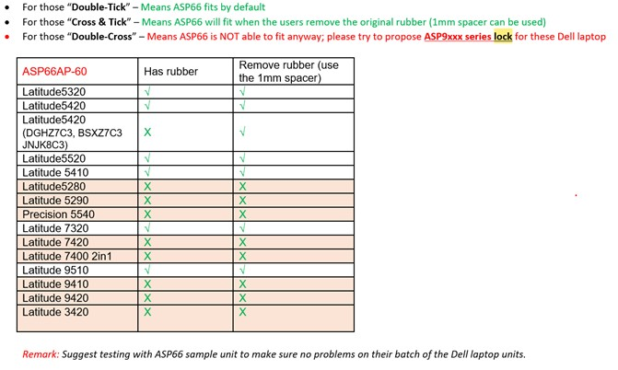
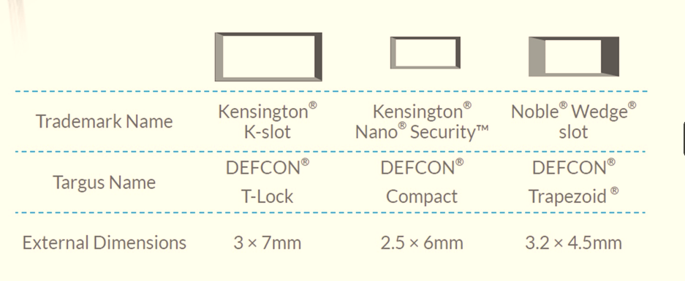
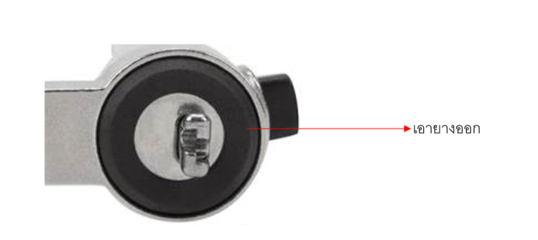
Product Code | Product Name & Description | Lock Slot/Lock Type | Picture | Details | SRP (In.Vat) | SRP (Ex.Vat) | Warranty | Remark
Cable Lock | วิธีการเช็คประเภทของ Slot ให้ดูที่ Spec Notebook แล้วดูตรงหัวข้อ "Security Slot" ใน Spec จะบอกว่าเป็น Kensington Slot / Noble Slot / Compact Slot
TGS-ASP48MKUSX | DEFCON® T-Lock Keyed Cable Lock | Kensington ใช้กุญแจปลอดล้อก | 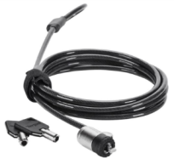 | • มาพร้อมสายเคเบิลเหล็กชุบสังกะสีที่แข็งแรงทนทาน ยาว 1.8 เมตร (พร้อมธงเรียก) • มาพร้อมกุญแจสองดอกที่เหมือนกันต่อหนึ่งล็อค ไม่ต้องจำรหัสตัวเลข • ใช้ช่องล็อกที่ติดตั้งมาในแล็ปท็อปของคุณเพื่อติดตั้งล็อคนี้ • ล็อคคอมพิวเตอร์ โปรเจ็กเตอร์ หรือจอ LCD ใดๆ ที่มีช่องล็อก • ต้องสั่งซื้อกุญแจหลักแยกต่างหากเพื่อความปลอดภัยของผลิตภัณฑ์ • ไม่รวม PA400P ยาว 185 เซนติเมตร (ใช้กุญแจปลดล็อค) **Package เป็นถุงพลาสติก** | 1,190 | 1,112 | 1 Year | By Order MOQ = 25 Qty
TGS-ASK48MKUSX-2 | Master Key for ASP48MKUSX(2PC) | Master Key ใช้ร่วมกับ TGS-ASP48MKUSX |  | Master Key for ASP48MKUSX | 590 | 551 | 1 Year | By Order
TGS-PA410BX | Targus Cable Lock Length 200Cm. | Kensington ใช้ Password ล้อก User ตั้งรหัสเองได้ |  | • ติดตั้งได้ง่ายกับคอมพิวเตอร์โน้ตบุ๊กที่มีช่องล็อก • ผู้ใช้สามารถตั้งค่ารหัสล็อคได้สูงสุด 10,000 แบบด้วยระบบล็อคป้องกันการงัดแงะ • มีแผ่นฐานยึดเพื่อความปลอดภัย (PA400P) มาให้เพื่อเสริมการล็อก ยาว 200 เซนติเมตร (ใช้ Password ปลดล็อค) **Package เป็นถุงพลาสติก** | 990 | 925 | 1 Year | Stock
TGS-PA410S-1 | Targus Cable Lock Length 200Cm. (Serial) | Kensington ใช้ Password ล้อก รหัสกำหนดมาจากโรงงาน |  | รุ่นนี้เหมาะสำหรับองค์กร ในกล่องจะมีผ่นการ์ดให้ขูดเอาเลขรหัส ผู้ใช้ไม่สามารถตั้งรหัสเองได้ เพื่อป้องกันความปลอดภัยโดยมีผู้ควบคุมเท่านั้นที่รู้รหัส | 990 | 925 | 1 Year | By Order MOQ = 25 Qty
TGS-ASP66APX | DEFCON N-CL Combo Cable Lock | Noble Wedge ใช้ Password ล้อก User ตั้งรหัสเองได้ |  | • Resettable Combination Cable Lock • PA400P base plate included *ช่องแบบใหม่ ส่วนใหญ่จะเป็น Notebook Dell รุ่นใหม่ ๆ หากไม่แน่ใจรบกวนสอบถาม PM **NB Dell บางรุ่น ต้องดึงยางรองช่องล้อคออกก่อน จึงจะล้อคได้ หรือหากไม่ได้ต้องใช้เป็นรุ่น ASP96 แทน | 1,190 | 1,112 | 1 Year | Stock
TGS-ASP66GLX-S | Targus Serialized Noble Wedgelock cable | Noble Wedge ใช้ Password ล้อก รหัสกำหนดมาจากโรงงาน |  |  | 1,290 | 1,206 | 1 Year | By Order MOQ = 25 Qty
TGS-ASP71GLX | DEFCON® Compact Resettable Combo Cable Lock | Kensington Nano Compact ใช้ Password ล้อก User ตั้งรหัสเองได้ |  | • ยึดติดแน่นกับช่องล็อก Kensington® Nano® • กระบวนการที่ปลอดภัยและจดสิทธิบัตรสำหรับการกู้คืนรหัสล็อกที่หายไป • ขนาดกะทัดรัด เหมาะอย่างยิ่งสำหรับอุปกรณ์ขนาดบาง • มีแผ่นฐาน PA400P ให้มาด้วย • หัวหมุนได้ 360° เพื่อการล็อกอุปกรณ์ที่ง่ายดาย | 1,290 | 1,206 | 1 Year | Stock
TGS-ASP71GLX-S | DEFCON® Compact Resettable Combo Cable Lock Serial | Kensington Nano Compact ใช้ Password ล้อก รหัสกำหนดมาจากโรงงาน |  |  | 1,290 | 1,206 | 1 Year | By Order MOQ = 25 Qty
TGS-ASP95MKGLX | Targus ASP95 Ultimate Key Lock | ULTIMATE UNIVERSAL LOCK Kensington Kensington Nano Noble Wedge ใช้กุญแจปลอดล้อก | 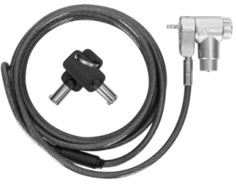 | • ใช้งานได้กับช่องล็อกแบบมาตรฐานส่วนใหญ่ รวมถึงช่องล็อกแบบลิ่มขนาดใหญ่ • ปกป้องแล็ปท็อป แท่นวาง หรือจอภาพได้แทบทุกชนิด • รหัส 4 หลักที่ผู้ใช้สามารถรีเซ็ตได้ รองรับรหัสได้สูงสุด 10,000 รหัส • หัวหมุนได้ 360 องศา • สายเคเบิลเหล็กชุบสังกะสีและหุ้มฉนวน ยาว 2 เมตร/6.5 ฟุต • แผ่นฐาน PA400P หรือจุดยึดตู้ ASPA28USZ จำหน่ายแยกต่างหาก | 1,390 | 1,299 | 1 Year | Stock
TGS-ASP96RGLX | Targus ASP96 Ultimate Resettable Comb Bulk | ULTIMATE UNIVERSAL LOCK Kensington Kensington Nano Noble Wedge ใช้ Password ล้อก User ตั้งรหัสเองได้ |  |  | 1,290 | 1,206 | 1 Year | Stock
TGS-ASK95MKGLX-2 | Master Key for ASP95MKGLX(2PC) | Master Key ใช้ร่วมกับ TGS-ASP95MKGLX |  | Master Key for ASP95MKGLX | 650 | 607 | 1 Year | By Order
TGS-ASP106RGLXS | Master Code Combination Lock | ULTIMATE UNIVERSAL LOCK Kensington Kensington Nano Noble Wedge ใช้ Password ล้อก User ตั้งรหัสเองได้ | New | • กุญแจรหัส 4 หลักที่รีเซ็ตได้เอง พร้อมรหัสมาสเตอร์แบบอนุกรมสำหรับการจัดการด้านไอที • ใช้งานได้กับช่องล็อคหลักๆ เกือบทุกรูปแบบ ไม่จำเป็นต้องเปลี่ยนหัวล็อค • ปกป้องแล็ปท็อป แท่นวาง หรือจอภาพได้แทบทุกชนิด • หัวล็อคหมุนได้ 360 องศา เพื่อการเข้าถึงพอร์ตที่ราบรื่น • สายเคเบิลเหล็กชุบสังกะสีและหุ้มฉนวนที่แข็งแรง ยาว 6.5 ฟุต/2 ม. • เข้าถึงพอร์ทัลที่ปลอดภัยบนคลาวด์เพื่อดึงรหัสมาสเตอร์ที่สูญหาย • ใช้งานได้กับแผ่นฐาน Targus (PA400P) หรือพุกยึดตู้ (ASPA28USZ) จำหน่ายแยกต่างหาก | 1,990 | 1,860 | 1 Year | By Order MOQ = 25 Qty
TGS-ASP100GLX | Targus ASP100 Microsoft Surface Pro Lock | Surface Pro and Go ใช้ Password ล้อก User ตั้งรหัสเองได้ |  | • กุญแจรหัส 4 หลักที่รีเซ็ตได้ • ออกแบบมาสำหรับ Surface Pro & Go https://ap.targus.com/products/microsoft-surface-pro-lock#gallery-2 | 1,290 | 1,206 | 1 Year | By Order MOQ 25 Qty
TGS-ASP001GLX | Lock Slot Adapter | MacBook® or Tablets (Device without lock slot) ใช้ร่วมกับ PA410 or ASP48 Kensington |  | • ออกแบบมาสำหรับแท็บเล็ต MacBook® และอุปกรณ์อื่นๆ ที่ไม่มีช่องล็อก • ใช้งานร่วมกับล็อค Kensington® T-bar™ (PA410 หรือ ASP48) • กาวติดแน่น ทนทานต่อแรงกดสูงสุด 25.9 กก. https://us.targus.com/products/lock-slot-adapter-asp001glx | 290 | 271 | 1 Year | By Order MOQ 25 Qty
TGS-PA400PAP | Security Anchor Base Plate | Base plate protects and prevents theft anywhere |  | • มีจุดยึดสำหรับล็อคแล็ปท็อปของคุณเมื่อไม่มีวัตถุปลอดภัยอื่นอยู่ใกล้ๆ • ใช้งานร่วมกับ DEFCON® ซีรีส์ PA410, ซีรีส์ PA417, ซีรีส์ ASP48, ซีรีส์ ASP66 และซีรีส์ ASP65 • สายเคเบิลเสริม Kevlar® ช่วยเพิ่มความทนทานต่อโจรกรรม https://us.targus.com/products/security-anchor-base-plate-pa400p | 290 | 271 | 1 Year | By Order MOQ 25 Qty

ตารางเปรียบเทียบ Docking
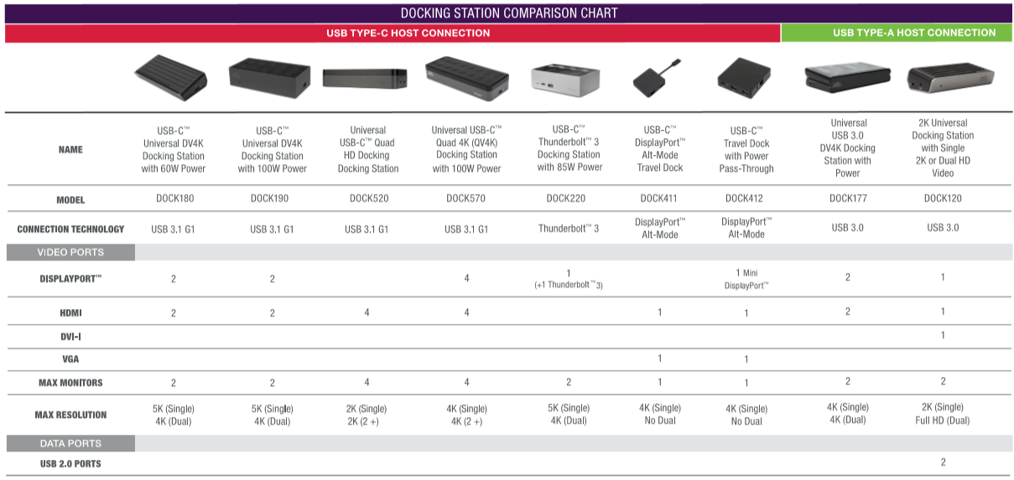
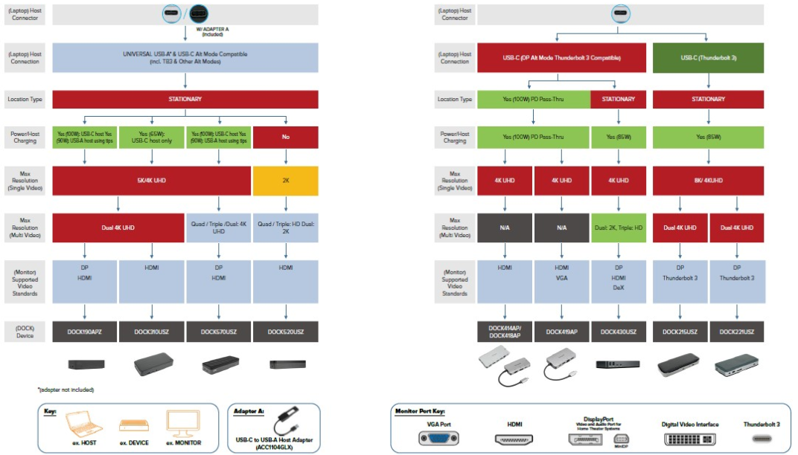





ตารางเปรียบเทียบ Mouse


ตารางเปรียบเทียบ Presenter


